Sheet1
 |  |  | Signal Cable comparison, Stephan and Walter
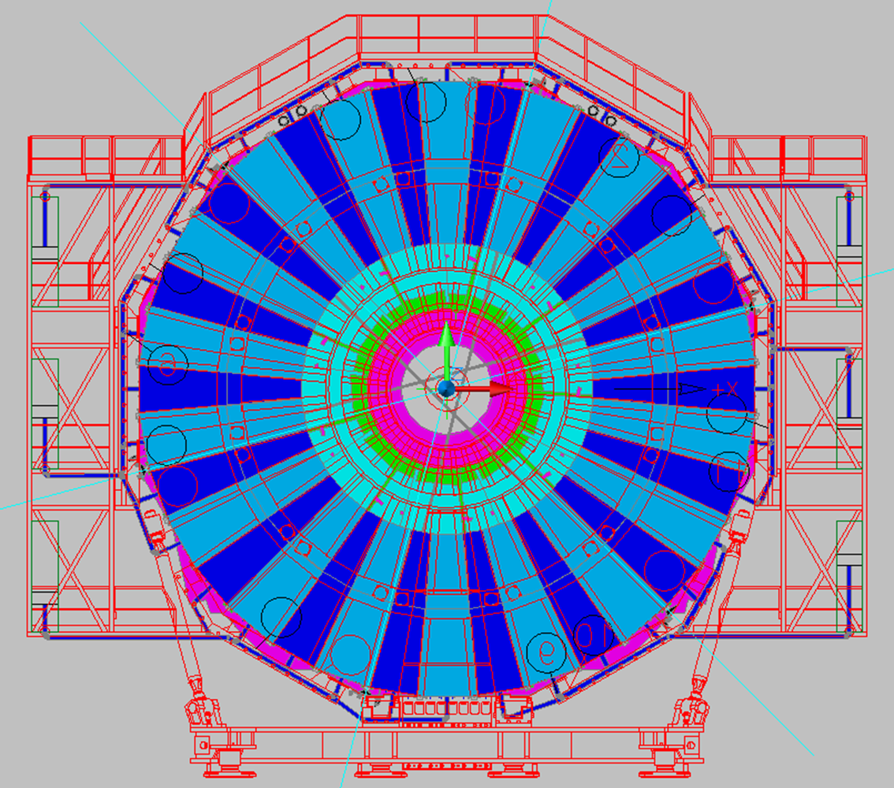
 |  |  |  |  |  |  |  |  |  |  |  |  |  |  |  |  |  |  |  |  |  | RE3 PLUS
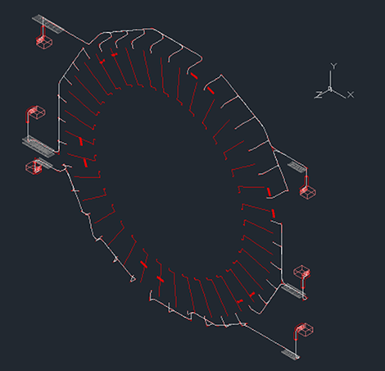

 |  |  |  |  |  |  |  |  |  |  |  |  |  |  |  |  |  |  |  |  |  |  |  | David Simek

 |  | Stephan |  |  |  |  |  |  | Walter
 | RE4 PLUS |  |  |  |  |  |  |  |  |  |  |  |  |  |  |  |  |  |  |  |  |  |  |  |  |  | Delta more than Stephan |  |  |  |  |  |  | Delta more than Stephan | Delta RE3/2 & RE3/3
 |  |  | Ring 3 |  | Ring 2 |  | Delta Ring 2 and 3 | Chamber +end R3
 |  |  | [m] |  | [m] |  |  |  | L in m |  |  |  |  | Delta L RE4/3 | Chamber +end R2 | L in m |  |  | Delta L RE4/2
 | Sector | Rack |  |  |  |  |  |  |  | Rack |  |  |  |  |  |  |  |  |  |  | START_POINT_DET | END_POINT | LENGTH
1 | Plus 33 | Near X3 | 7.2 m | 7.2 | 9.9 m | 9.9 | 2.7 | RE4/3 1 | 7 |  | RE4/3 33 | 33 | 9.5 | 2.3 | RE4/2 1 | 9.5 | RE4/2 33 | 12 | 2.1 |  | RE+3/3/01 | X3J51 | 6.9 | RE+3/3/33 | X3J51 | 8.4 | 1.2 | RE+3/2/01 | X3J51 | 8.9 | RE+3/2/33 | X3J51 | 10.4 | 0.5 | 2
2 | Plus 34 | X3J51 | 5.9 m | 5.9 | 7.7 m | 7.7 | 1.8 | RE4/3 2 | 6.5 | X3J51 | RE4/3 34 | 34 | 10.5 | 4.6 | RE4/2 2 | 9 | RE4/2 34 | 13 | 5.3 |  | RE+3/3/02 | X3J51 | 8.2 | RE+3/3/34 | X3J51 | 7.2 | 1.3 | RE+3/2/02 | X3J51 | 10.2 | RE+3/2/34 | X3J51 | 9.2 | 1.5 | 2
3 | Plus 35 |  | 4.7 m | 4.7 | 6.5 m | 6.5 | 1.8 | RE4/3 3 | 8 |  | RE4/3 35 | 35 | 10 | 5.3 | RE4/2 3 | 10.5 | RE4/2 35 | 12.5 | 6 |  | RE+3/3/03 | X4J51 | 7.4 | RE+3/3/35 | X3J51 | 6.1 | 1.4 | RE+3/2/03 | X4J51 | 9.3 | RE+3/2/35 | X3J51 | 8.1 | 1.6 | 2
4 | Plus 36 |  | 4.8 m | 4.8 | 7.6 m | 7.6 | 2.8 | RE4/3 4 | 9 |  | RE4/3 36 | 36 | 8.5 | 3.7 | RE4/2 4 | 11.5 | RE4/2 36 | 11 | 3.4 |  | RE+3/3/04 | X4J51 | 5.9 | RE+3/3/36 | X3J51 | 5.6 | 0.8 | RE+3/2/04 | X4J51 | 7.9 | RE+3/2/36 | X3J51 | 7.6 | 0 | 2
5 | Plus 01 |  | 6 m | 6 | 8.8 m | 8.8 | 2.8 | RE4/3 5 | 8 |  | RE4/3 1 | 1 | 7 | 1 | RE4/2 5 | 10.5 | RE4/2 1 | 9.5 | 0.7 |  | RE+3/3/05 | X4J51 | 5.4 | RE+3/3/01 | X3J51 | 6.9 | 0.9 | RE+3/2/05 | X4J51 | 7.4 | RE+3/2/01 | X3J51 | 8.9 | 0.1 | 2
6 | Plus 02 |  | 7.4 m | 7.4 | 10.2 m | 10.2 | 2.8 | RE4/3 6 | 9 | X4J51 | RE4/3 2 | 2 | 6.5 | -0.9 | RE4/2 6 | 11.5 | RE4/2 2 | 9 | -1.2 |  | RE+3/3/06 | X4J51 | 6.8 | RE+3/3/02 | X3J51 | 8.2 | 0.8 | RE+3/2/06 | X4J51 | 8.8 | RE+3/2/02 | X3J51 | 10.2 | 0 | 2
7 | Plus 03 | Near X4 | 6.9 m | 6.9 | 8.7 m | 8.7 | 1.8 | RE4/3 7 | 10.5 |  | RE4/3 3 | 3 | 8 | 1.1 | RE4/2 7 | 13 | RE4/2 3 | 10.5 | 1.8 | All Cases | RE+3/3/07 | X4J51 | 8 | RE+3/3/03 | X4J51 | 7.4 | 0.5 | RE+3/2/07 | X4J51 | 10 | RE+3/2/03 | X4J51 | 9.3 | 0.6 | 1.9
8 | Plus 04 | X4J51 | 5.6 m | 5.6 | 7.4 m | 7.4 | 1.8 | RE4/3 8 | 11.5 |  | RE4/3 4 | 4 | 9 | 3.4 | RE4/2 8 | 14 | RE4/2 4 | 11.5 | 4.1 |  | RE+3/3/08 | X4J51 | 9.3 | RE+3/3/04 | X4J51 | 5.9 | 0.3 | RE+3/2/08 | X4J51 | 11.4 | RE+3/2/04 | X4J51 | 7.9 | 0.5 | 2
9 | Plus 05 |  | 5.3 m | 5.3 | 8.1 m | 8.1 | 2.8 | RE4/3 9 | 13 |  | RE4/3 5 | 5 | 8 | 2.7 | RE4/2 9 | 15.5 | RE4/2 5 | 10.5 | 2.4 |  | RE+3/3/09 | X4A51 | 14.4 | RE+3/3/05 | X4J51 | 5.4 | 0.1 | RE+3/2/09 | X4A51 | 16.4 | RE+3/2/05 | X4J51 | 7.4 | -0.7 | 2
10 | Plus 06 |  | 6.7 m | 6.7 | 9.5 m | 9.5 | 2.8 | RE4/3 10 | 14 |  | RE4/3 6 | 6 | 9 | 2.3 | RE4/2 10 | 16.5 | RE4/2 6 | 11.5 | 2 |  | RE+3/3/10 | X4A51 | 12.9 | RE+3/3/06 | X4J51 | 6.8 | 0.1 | RE+3/2/10 | X4A51 | 14.9 | RE+3/2/06 | X4J51 | 8.8 | -0.7 | 2
11 | Plus 07 |  | 7.8 m | 7.8 | 10.6 m | 10.6 | 2.8 | RE4/3 11 | 13 |  | RE4/3 7 | 7 | 10.5 | 2.7 | RE4/2 11 | 15.5 | RE4/2 7 | 13 | 2.4 |  | RE+3/3/11 | X4A51 | 11.8 | RE+3/3/07 | X4J51 | 8 | 0.2 | RE+3/2/11 | X4A51 | 13.8 | RE+3/2/07 | X4J51 | 10 | -0.6 | 2
12 | Plus 08 |  | 9.3 m | 9.3 | 12 m | 12 | 2.7 | RE4/3 12 | 11.5 | X4A51 | RE4/3 8 | 8 | 11.5 | 2.2 | RE4/2 12 | 14 | RE4/2 8 | 14 | 2 |  | RE+3/3/12 | X4A51 | 10.4 | RE+3/3/08 | X4J51 | 9.3 | 0 | RE+3/2/12 | X4A51 | 12.4 | RE+3/2/08 | X4J51 | 11.4 | -0.6 | 2.1
13 | Plus 09 | Far X4 | 14.1 m | 14.1 | 15.8 m | 15.8 | 1.7 | RE4/3 13 | 10.5 |  | RE4/3 9 | 9 | 13 | -1.1 | RE4/2 13 | 13 | RE4/2 9 | 15.5 | -0.3 |  | RE+3/3/13 | X4A51 | 9 | RE+3/3/09 | X4A51 | 14.4 | 0.3 | RE+3/2/13 | X4A51 | 11 | RE+3/2/09 | X4A51 | 16.4 | 0.6 | 2
14 | Plus 10 | X4A51 | 12.7 m | 12.7 | 14.5 m | 14.5 | 1.8 | RE4/3 14 | 9 |  | RE4/3 10 | 10 | 14 | 1.3 | RE4/2 14 | 11.5 | RE4/2 10 | 16.5 | 2 |  | RE+3/3/14 | X4A51 | 7.8 | RE+3/3/10 | X4A51 | 12.9 | 0.2 | RE+3/2/14 | X4A51 | 9.8 | RE+3/2/10 | X4A51 | 14.9 | 0.4 | 2
15 | Plus 11 |  | 11.5 m | 11.5 | 13.3 m | 13.3 | 1.8 | RE4/3 15 | 7.5 |  | RE4/3 11 | 11 | 13 | 1.5 | RE4/2 15 | 10 | RE4/2 11 | 15.5 | 2.2 |  | RE+3/3/15 | X3A51 | 12.2 | RE+3/3/11 | X4A51 | 11.8 | 0.3 | RE+3/2/15 | X3A51 | 14.2 | RE+3/2/11 | X4A51 | 13.8 | 0.5 | 2
16 | Plus 12 |  | 10.2 m | 10.2 | 11.9 m | 11.9 | 1.7 | RE4/3 16 | 8.5 |  | RE4/3 12 | 12 | 11.5 | 1.3 | RE4/2 16 | 11 | RE4/2 12 | 14 | 2.1 |  | RE+3/3/16 | X3A51 | 10.8 | RE+3/3/12 | X4A51 | 10.4 | 0.2 | RE+3/2/16 | X3A51 | 12.8 | RE+3/2/12 | X4A51 | 12.4 | 0.5 | 2
17 | Plus 13 |  | 8.8 m | 8.8 | 10.5 m | 10.5 | 1.7 | RE4/3 17 | 10.5 |  | RE4/3 13 | 13 | 10.5 | 1.7 | RE4/2 17 | 13 | RE4/2 13 | 13 | 2.5 |  | RE+3/3/17 | X3A51 | 9.6 | RE+3/3/13 | X4A51 | 9 | 0.2 | RE+3/2/17 | X3A51 | 11.6 | RE+3/2/13 | X4A51 | 11 | 0.5 | 2
18 | Plus 14 |  | 7.6 m | 7.6 | 9.4 m | 9.4 | 1.8 | RE4/3 18 | 9 | X3A51 | RE4/3 14 | 14 | 9 | 1.4 | RE4/2 18 | 11.5 | RE4/2 14 | 11.5 | 2.1 |  | RE+3/3/18 | X3A51 | 8.2 | RE+3/3/14 | X4A51 | 7.8 | 0.2 | RE+3/2/18 | X3A51 | 10.2 | RE+3/2/14 | X4A51 | 9.8 | 0.4 | 2
19 | Plus 15 | Far X3 | 11.8 m | 11.8 | 13.5 m | 13.5 | 1.7 | RE4/3 19 | 8 |  | RE4/3 15 | 15 | 7.5 | -4.3 | RE4/2 19 | 10.5 | RE4/2 15 | 10 | -3.5 |  | RE+3/3/19 | X3A51 | 6.9 | RE+3/3/15 | X3A51 | 12.2 | 0.4 | RE+3/2/19 | X3A51 | 8.9 | RE+3/2/15 | X3A51 | 14.2 | 0.7 | 2
20 | Plus 16 | X3A51 | 10.4 m | 10.4 | 12.1 m | 12.1 | 1.7 | RE4/3 20 | 6.5 |  | RE4/3 16 | 16 | 8.5 | -1.9 | RE4/2 20 | 9 | RE4/2 16 | 11 | -1.1 |  | RE+3/3/20 | X3A51 | 5.6 | RE+3/3/16 | X3A51 | 10.8 | 0.4 | RE+3/2/20 | X3A51 | 7.6 | RE+3/2/16 | X3A51 | 12.8 | 0.7 | 2
21 | Plus 17 |  | 9.2 m | 9.2 | 10.9 m | 10.9 | 1.7 | RE4/3 21 | 6.5 |  | RE4/3 17 | 17 | 10.5 | 1.3 | RE4/2 21 | 9 | RE4/2 17 | 13 | 2.1 |  | RE+3/3/21 | X2A52 | 11.5 | RE+3/3/17 | X3A51 | 9.6 | 0.4 | RE+3/2/21 | X2A52 | 13.5 | RE+3/2/17 | X3A51 | 11.6 | 0.7 | 2
22 | Plus 18 |  | 7.8 m | 7.8 | 9.6 m | 9.6 | 1.8 | RE4/3 22 | 8 |  | RE4/3 18 | 18 | 9 | 1.2 | RE4/2 22 | 10.5 | RE4/2 18 | 11.5 | 1.9 |  | RE+3/3/22 | X2A52 | 10.1 | RE+3/3/18 | X3A51 | 8.2 | 0.4 | RE+3/2/22 | X2A52 | 12.1 | RE+3/2/18 | X3A51 | 10.2 | 0.6 | 2
23 | Plus 19 |  | 6.4 m | 6.4 | 8.2 m | 8.2 | 1.8 | RE4/3 23 | 8.5 |  | RE4/3 19 | 19 | 8 | 1.6 | RE4/2 23 | 11 | RE4/2 19 | 10.5 | 2.3 |  | RE+3/3/23 | X2A52 | 8.2 | RE+3/3/19 | X3A51 | 6.9 | 0.5 | RE+3/2/23 | X2A52 | 10.2 | RE+3/2/19 | X3A51 | 8.9 | 0.7 | 2
24 | Plus 20 |  | 5.3 m | 5.3 | 7 m | 7 | 1.7 | RE4/3 24 | 8 | X2A52 | RE4/3 20 | 20 | 6.5 | 1.2 | RE4/2 24 | 10.5 | RE4/2 20 | 9 | 2 |  | RE+3/3/24 | X2A52 | 7.5 | RE+3/3/20 | X3A51 | 5.6 | 0.3 | RE+3/2/24 | X2A52 | 9.5 | RE+3/2/20 | X3A51 | 7.6 | 0.6 | 2
25 | Plus 21 | Far X2 | 3.9 m | 3.9 | 6.2 m | 6.2 | 2.3 | RE4/3 25 | 9 |  | RE4/3 21 | 21 | 6.5 | 2.6 | RE4/2 25 | 11.5 | RE4/2 21 | 9 | 2.8 |  | RE+3/3/25 | X2A52 | 8.6 | RE+3/3/21 | X2A52 | 11.5 | 7.6 | RE+3/2/25 | X2A52 | 10.6 | RE+3/2/21 | X2A52 | 13.5 | 7.3 | 2
26 | Plus 22 | X2A52 | 4.6 m | 4.6 | 7.4 m | 7.4 | 2.8 | RE4/3 26 | 10.5 |  | RE4/3 22 | 22 | 8 | 3.4 | RE4/2 26 | 13 | RE4/2 22 | 10.5 | 3.1 |  | RE+3/3/26 | X2A52 | 9.6 | RE+3/3/22 | X2A52 | 10.1 | 5.5 | RE+3/2/26 | X2A52 | 11.6 | RE+3/2/22 | X2A52 | 12.1 | 4.7 | 2
27 | Plus 23 |  | 5.8 m | 5.8 | 8.6 m | 8.6 | 2.8 | RE4/3 27 | 12 |  | RE4/3 23 | 23 | 8.5 | 2.7 | RE4/2 27 | 14.5 | RE4/2 23 | 11 | 2.4 |  | RE+3/3/27 | X2J52 | 13.4 | RE+3/3/23 | X2A52 | 8.2 | 2.4 | RE+3/2/27 | X2J52 | 15.4 | RE+3/2/23 | X2A52 | 10.2 | 1.6 | 2
28 | Plus 24 |  | 7.6 m | 7.6 | 10.4 m | 10.4 | 2.8 | RE4/3 28 | 13.5 |  | RE4/3 24 | 24 | 8 | 0.4 | RE4/2 28 | 16 | RE4/2 24 | 10.5 | 0.1 |  | RE+3/3/28 | X2J52 | 12 | RE+3/3/24 | X2A52 | 7.5 | -0.1 | RE+3/2/28 | X2J52 | 14 | RE+3/2/24 | X2A52 | 9.5 | -0.9 | 2
29 | Plus 25 |  | 9.1 m | 9.1 | 11.9 m | 11.9 | 2.8 | RE4/3 29 | 13 |  | RE4/3 25 | 25 | 9 | -0.1 | RE4/2 29 | 15.5 | RE4/2 25 | 11.5 | -0.4 |  | RE+3/3/29 | X2J52 | 10.9 | RE+3/3/25 | X2A52 | 8.6 | -0.5 | RE+3/2/29 | X2J52 | 12.9 | RE+3/2/25 | X2A52 | 10.6 | -1.3 | 2
30 | Plus 26 |  | 10.5 m | 10.5 | 13.3 m | 13.3 | 2.8 | RE4/3 30 | 11.5 | X2J52 | RE4/3 26 | 26 | 10.5 | 0 | RE4/2 30 | 14 | RE4/2 26 | 13 | -0.3 |  | RE+3/3/30 | X2J52 | 9.6 | RE+3/3/26 | X2A52 | 9.6 | -0.9 | RE+3/2/30 | X2J52 | 11.6 | RE+3/2/26 | X2A52 | 11.6 | -1.7 | 2
31 | Plus 27 | Near X2 | 13.7 m | 13.7 | 15.5 m | 15.5 | 1.8 | RE4/3 31 | 10 |  | RE4/3 27 | 27 | 12 | -1.7 | RE4/2 31 | 12.5 | RE4/2 27 | 14.5 | -1 |  | RE+3/3/31 | X2J52 | 8.6 | RE+3/3/27 | X2J52 | 13.4 | -0.3 | RE+3/2/31 | X2J52 | 10.6 | RE+3/2/27 | X2J52 | 15.4 | -0.1 | 2
32 | Plus 28 | X2J52 | 12.3 m | 12.3 | 14.1 m | 14.1 | 1.8 | RE4/3 32 | 9 |  | RE4/3 28 | 28 | 13.5 | 1.2 | RE4/2 32 | 11.5 | RE4/2 28 | 16 | 1.9 |  | RE+3/3/32 | X2J52 | 7.5 | RE+3/3/28 | X2J52 | 12 | -0.3 | RE+3/2/32 | X2J52 | 9.5 | RE+3/2/28 | X2J52 | 14 | -0.1 | 2
33 | Plus 29 |  | 10.4 m | 10.4 | 12.2 m | 12.2 | 1.8 | RE4/3 33 | 9.5 |  | RE4/3 29 | 29 | 13 | 2.6 | RE4/2 33 | 12 | RE4/2 29 | 15.5 | 3.3 |  | RE+3/3/33 | X3J51 | 8.4 | RE+3/3/29 | X2J52 | 10.9 | 0.5 | RE+3/2/33 | X3J51 | 10.4 | RE+3/2/29 | X2J52 | 12.9 | 0.7 | 2
 | RE4/2GoodRacks | RE4/3GoodRacks
35 | 6 | 5.3
36 | 3.4 | 3.7
1 | 0.7 | 1
2 | -1.2 | -0.9
5 | 2.4 | 2.7
6 | 2 | 2.3
7 | 2.4 | 2.7
8 | 2 | 2.2
11 | 2.2 | 1.5
12 | 2.1 | 1.3
13 | 2.5 | 1.7
14 | 2.1 | 1.4
17 | 2.1 | 1.3
18 | 1.9 | 1.2
19 | 2.3 | 1.6
20 | 2 | 1.2
23 | 2.4 | 2.7
24 | 0.1 | 0.4
25 | -0.4 | -0.1
26 | -0.3 | 0
29 | 3.3 | 2.6
30 | 2.8 | 2
31 | 2.6 | 1.9
32 | 3.1 | -2.3
34 | Plus 30 |  | 9.5 m | 9.5 | 11.2 m | 11.2 | 1.7 | RE4/3 34 | 10.5 |  | RE4/3 30 | 30 | 11.5 | 2 | RE4/2 34 | 13 | RE4/2 30 | 14 | 2.8 |  | RE+3/3/34 | X3J51 | 7.2 | RE+3/3/30 | X2J52 | 9.6 | 0.1 | RE+3/2/34 | X3J51 | 9.2 | RE+3/2/30 | X2J52 | 11.6 | 0.4 | 2
35 | Plus 31 |  | 8.1 m | 8.1 | 9.9 m | 9.9 | 1.8 | RE4/3 35 | 10 |  | RE4/3 31 | 31 | 10 | 1.9 | RE4/2 35 | 12.5 | RE4/2 31 | 12.5 | 2.6 |  | RE+3/3/35 | X3J51 | 6.1 | RE+3/3/31 | X2J52 | 8.6 | 0.5 | RE+3/2/35 | X3J51 | 8.1 | RE+3/2/31 | X2J52 | 10.6 | 0.7 | 2
36 | Plus 32 |  | 6.7 m | 6.7 | 8.4 m | 8.4 | 1.7 | RE4/3 36 | 8.5 | X3J51 | RE4/3 32 | 32 | 9 | -2.3 | RE4/2 36 | 11 | RE4/2 32 | 11.5 | 3.1 |  | RE+3/3/36 | X3J51 | 5.6 | RE+3/3/32 | X2J52 | 7.5 | 0.8 | RE+3/2/36 | X3J51 | 7.6 | RE+3/2/32 | X2J52 | 9.5 | 1.1 | 2

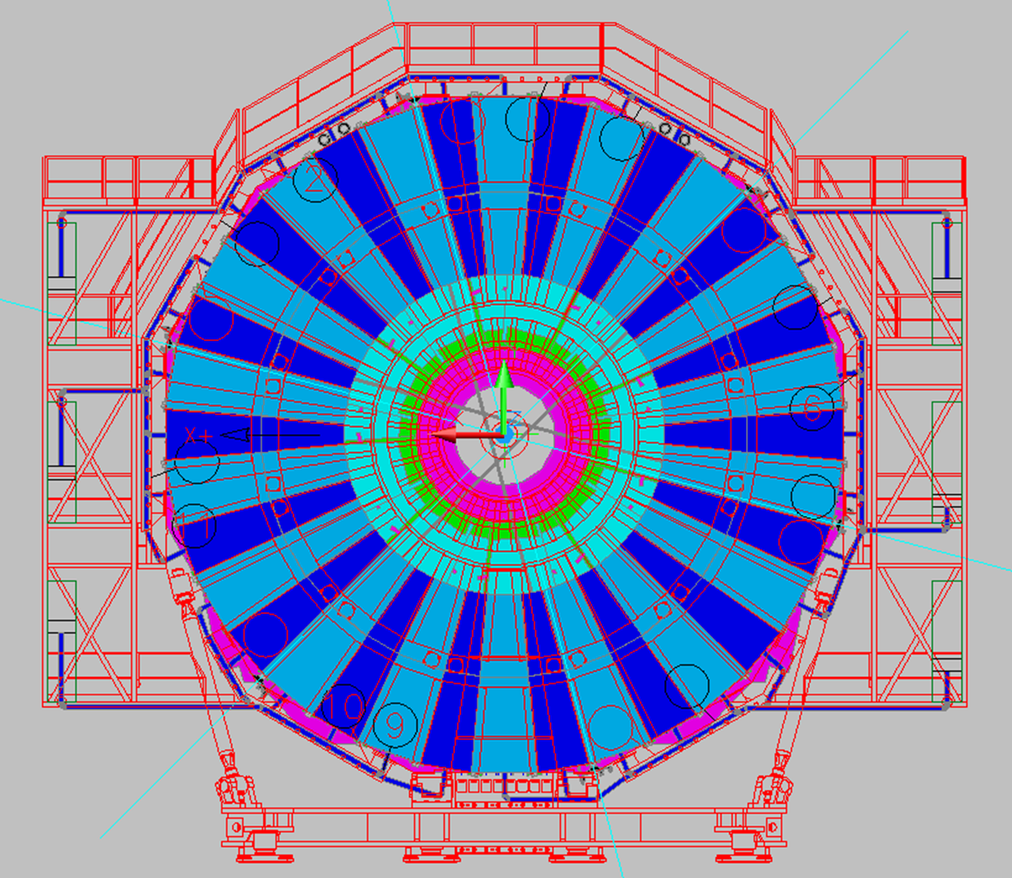
 |  |  |  |  |  |  |  | Total | 348.5 |  |  |  |  |  |  | 438.5
 |  |  |  |  |  |  |  | Required length(*6) | 2091 |  |  |  |  |  |  | 2631
 | RE4 Minus
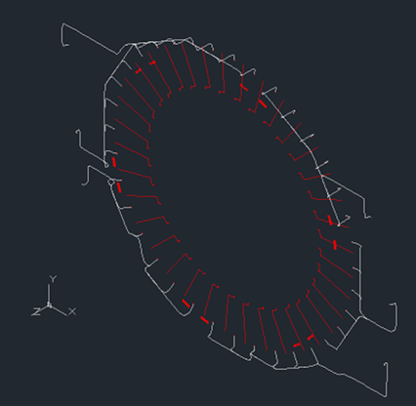

 |  |  |  |  |  |  |  |  |  |  |  |  |  |  |  |  |  |  |  |  |  |  |  |  |  |  | Delta more than Stephan |  |  |  |  |  |  |  | Delta RE3/2 & RE3/3
 |  |  |  |  |  |  | Delta Ring 2 and 3
 |  |  |  |  |  |  |  |  |  |  |  |  |  | Delta L RE4/3 |  |  |  |  | Delta L RE4/2
 | Sector | Rack | Ring 3 |  | Ring 2
1 | Minus 33 | Near X3 | 7.1 m | 7.1 | 9.9 m | 9.9 | 2.8 | RE4/3 1 | 7 | X3V51 | RE4/3 33 | 33 | 9 | 1.9 | RE4/2 1 | 9.5 | RE4/2 33 | 11.5 | 1.6 |  | RE-3/3/01 | X3V51 | 6.9 | RE-3/3/33 | X3V51 | 8.4 | 1.3 | RE-3/2/01 | X3V51 | 8.9 | RE-3/2/33 | X3V51 | 10.4 | 0.5 | 2
2 | Minus 34 |  | 5.9 m | 5.9 | 8.7 m | 8.7 | 2.8 | RE4/3 2 | 6.5 |  | RE4/3 34 | 34 | 10.5 | 4.6 | RE4/2 2 | 9 | RE4/2 34 | 13 | 4.3 |  | RE-3/3/02 | X3V51 | 8.2 | RE-3/3/34 | X3V51 | 7.2 | 1.3 | RE-3/2/02 | X3V51 | 10.2 | RE-3/2/34 | X3V51 | 9.2 | 0.5 | 2
3 | Minus 35 |  | 4.7 m | 4.7 | 7.5 m | 7.5 | 2.8 | RE4/3 3 | 8 |  | RE4/3 35 | 35 | 10 | 5.3 | RE4/2 3 | 10.5 | RE4/2 35 | 12.5 | 5 |  | RE-3/3/03 | X4V51 | 7.4 | RE-3/3/35 | X3V51 | 6.1 | 1.4 | RE-3/2/03 | X4V51 | 9.3 | RE-3/2/35 | X3V51 | 8.1 | 0.6 | 2
4 | Minus 36 |  | 4.8 m | 4.8 | 6.6 m | 6.6 | 1.8 | RE4/3 4 | 9 |  | RE4/3 36 | 36 | 8.5 | 3.7 | RE4/2 4 | 11.5 | RE4/2 36 | 11 | 4.4 |  | RE-3/3/04 | X4V51 | 5.9 | RE-3/3/36 | X3V51 | 5.6 | 0.8 | RE-3/2/04 | X4V51 | 7.9 | RE-3/2/36 | X3V51 | 7.6 | 1 | 2
5 | Minus 01 |  | 6 m | 6 | 7.8 m | 7.8 | 1.8 | RE4/3 5 | 8 | X4V51 | RE4/3 1 | 1 | 7 | 1 | RE4/2 5 | 10.5 | RE4/2 1 | 9.5 | 1.7 |  | RE-3/3/05 | X4V51 | 5.4 | RE-3/3/01 | X3V51 | 6.9 | 0.9 | RE-3/2/05 | X4V51 | 7.4 | RE-3/2/01 | X3V51 | 8.9 | 1.1 | 2
6 | Minus 02 |  | 7.4 m | 7.4 | 9.2 m | 9.2 | 1.8 | RE4/3 6 | 9 |  | RE4/3 2 | 2 | 6.5 | -0.9 | RE4/2 6 | 11.5 | RE4/2 2 | 9 | -0.2 |  | RE-3/3/06 | X4V51 | 6.8 | RE-3/3/02 | X3V51 | 8.2 | 0.8 | RE-3/2/06 | X4V51 | 8.8 | RE-3/2/02 | X3V51 | 10.2 | 1 | 2
7 | Minus 03 | Near X4 | 7.2 m | 7.2 | 9.9 m | 9.9 | 2.7 | RE4/3 7 | 10.5 |  | RE4/3 3 | 3 | 8 | 0.8 | RE4/2 7 | 13 | RE4/2 3 | 10.5 | 0.6 |  | RE-3/3/07 | X4V51 | 8 | RE-3/3/03 | X4V51 | 7.4 | 0.2 | RE-3/2/07 | X4V51 | 10 | RE-3/2/03 | X4V51 | 9.3 | -0.6 | 1.9
8 | Minus 04 |  | 5.8 m | 5.8 | 8.6 m | 8.6 | 2.8 | RE4/3 8 | 11.5 |  | RE4/3 4 | 4 | 9 | 3.2 | RE4/2 8 | 14 | RE4/2 4 | 11.5 | 2.9 |  | RE-3/3/08 | X4V51 | 9.3 | RE-3/3/04 | X4V51 | 5.9 | 0.1 | RE-3/2/08 | X4V51 | 11.4 | RE-3/2/04 | X4V51 | 7.9 | -0.7 | 2
9 | Minus 05 |  | 5.3 m | 5.3 | 7.6 m | 7.6 | 2.3 | RE4/3 9 | 13 |  | RE4/3 5 | 5 | 8 | 2.7 | RE4/2 9 | 15.5 | RE4/2 5 | 10.5 | 2.9 |  | RE-3/3/09 | X4S51 | 14.4 | RE-3/3/05 | X4V51 | 5.4 | 0.1 | RE-3/2/09 | X4S51 | 16.4 | RE-3/2/05 | X4V51 | 7.4 | -0.2 | 2
10 | Minus 06 |  | 6.7 m | 6.7 | 8.5 m | 8.5 | 1.8 | RE4/3 10 | 14 |  | RE4/3 6 | 6 | 9 | 2.3 | RE4/2 10 | 16.5 | RE4/2 6 | 11.5 | 3 |  | RE-3/3/10 | X4S51 | 12.9 | RE-3/3/06 | X4V51 | 6.8 | 0.1 | RE-3/2/10 | X4S51 | 14.9 | RE-3/2/06 | X4V51 | 8.8 | 0.3 | 2
11 | Minus 07 |  | 7.8 m | 7.8 | 9.6 m | 9.6 | 1.8 | RE4/3 11 | 13 | X4S51 | RE4/3 7 | 7 | 10.5 | 2.7 | RE4/2 11 | 15.5 | RE4/2 7 | 13 | 3.4 |  | RE-3/3/11 | X4S51 | 11.8 | RE-3/3/07 | X4V51 | 8 | 0.2 | RE-3/2/11 | X4S51 | 13.8 | RE-3/2/07 | X4V51 | 10 | 0.4 | 2
12 | Minus 08 |  | 9.3 m | 9.3 | 11 m | 11 | 1.7 | RE4/3 12 | 11.5 |  | RE4/3 8 | 8 | 11.5 | 2.2 | RE4/2 12 | 14 | RE4/2 8 | 14 | 3 |  | RE-3/3/12 | X4S51 | 10.4 | RE-3/3/08 | X4V51 | 9.3 | 0 | RE-3/2/12 | X4S51 | 12.4 | RE-3/2/08 | X4V51 | 11.4 | 0.4 | 2.1
13 | Minus 09 | Far X4 | 14.1 m | 14.1 | 16.9 m | 16.9 | 2.8 | RE4/3 13 | 10.5 |  | RE4/3 9 | 9 | 13 | -1.1 | RE4/2 13 | 13 | RE4/2 9 | 15.5 | -1.4 |  | RE-3/3/13 | X4S51 | 9 | RE-3/3/09 | X4S51 | 14.4 | 0.3 | RE-3/2/13 | X4S51 | 11 | RE-3/2/09 | X4S51 | 16.4 | -0.5 | 2
14 | Minus 10 |  | 12.7 m | 12.7 | 15.5 m | 15.5 | 2.8 | RE4/3 14 | 9 |  | RE4/3 10 | 10 | 14 | 1.3 | RE4/2 14 | 11.5 | RE4/2 10 | 16.5 | 1 |  | RE-3/3/14 | X4S51 | 7.8 | RE-3/3/10 | X4S51 | 12.9 | 0.2 | RE-3/2/14 | X4S51 | 9.8 | RE-3/2/10 | X4S51 | 14.9 | -0.6 | 2
15 | Minus 11 |  | 11.5 m | 11.5 | 14.3 m | 14.3 | 2.8 | RE4/3 15 | 7.5 |  | RE4/3 11 | 11 | 13 | 1.5 | RE4/2 15 | 10 | RE4/2 11 | 15.5 | 1.2 |  | RE-3/3/15 | X3S51 | 12.2 | RE-3/3/11 | X4S51 | 11.8 | 0.3 | RE-3/2/15 | X3S51 | 14.2 | RE-3/2/11 | X4S51 | 13.8 | -0.5 | 2
16 | Minus 12 |  | 10.2 m | 10.2 | 13 m | 13 | 2.8 | RE4/3 16 | 8.5 |  | RE4/3 12 | 12 | 11.5 | 1.3 | RE4/2 16 | 11 | RE4/2 12 | 14 | 1 |  | RE-3/3/16 | X3S51 | 10.8 | RE-3/3/12 | X4S51 | 10.4 | 0.2 | RE-3/2/16 | X3S51 | 12.8 | RE-3/2/12 | X4S51 | 12.4 | -0.6 | 2
17 | Minus 13 |  | 8.8 m | 8.8 | 11.6 m | 11.6 | 2.8 | RE4/3 17 | 10 | X3S51 | RE4/3 13 | 13 | 10.5 | 1.7 | RE4/2 17 | 12.5 | RE4/2 13 | 13 | 1.4 |  | RE-3/3/17 | X3S51 | 9.6 | RE-3/3/13 | X4S51 | 9 | 0.2 | RE-3/2/17 | X3S51 | 11.6 | RE-3/2/13 | X4S51 | 11 | -0.6 | 2
18 | Minus 14 |  | 7.6 m | 7.6 | 10.4 m | 10.4 | 2.8 | RE4/3 18 | 8.5 |  | RE4/3 14 | 14 | 9 | 1.4 | RE4/2 18 | 11 | RE4/2 14 | 11.5 | 1.1 |  | RE-3/3/18 | X3S51 | 8.2 | RE-3/3/14 | X4S51 | 7.8 | 0.2 | RE-3/2/18 | X3S51 | 10.2 | RE-3/2/14 | X4S51 | 9.8 | -0.6 | 2
19 | Minus 15 | Far X3 | 11 m | 11 | 13.8 m | 13.8 | 2.8 | RE4/3 19 | 7 |  | RE4/3 15 | 15 | 7.5 | -3.5 | RE4/2 19 | 9.5 | RE4/2 15 | 10 | -3.8 |  | RE-3/3/19 | X3S51 | 6.9 | RE-3/3/15 | X3S51 | 12.2 | 1.2 | RE-3/2/19 | X3S51 | 8.9 | RE-3/2/15 | X3S51 | 14.2 | 0.4 | 2
20 | Minus 16 |  | 9.6 m | 9.6 | 12.4 m | 12.4 | 2.8 | RE4/3 20 | 6 |  | RE4/3 16 | 16 | 8.5 | -1.1 | RE4/2 20 | 8.5 | RE4/2 16 | 11 | -1.4 |  | RE-3/3/20 | X3S51 | 5.6 | RE-3/3/16 | X3S51 | 10.8 | 1.2 | RE-3/2/20 | X3S51 | 7.6 | RE-3/2/16 | X3S51 | 12.8 | 0.4 | 2
21 | Minus 17 |  | 8.5 m | 8.5 | 11.2 m | 11.2 | 2.7 | RE4/3 21 | 6 |  | RE4/3 17 | 17 | 10 | 1.5 | RE4/2 21 | 8.5 | RE4/2 17 | 12.5 | 1.3 |  | RE-3/3/21 | X2S52 | 11.5 | RE-3/3/17 | X3S51 | 9.6 | 1.1 | RE-3/2/21 | X2S52 | 13.5 | RE-3/2/17 | X3S51 | 11.6 | 0.4 | 2
22 | Minus 18 |  | 7.1 m | 7.1 | 9.9 m | 9.9 | 2.8 | RE4/3 22 | 7 |  | RE4/3 18 | 18 | 8.5 | 1.4 | RE4/2 22 | 9.5 | RE4/2 18 | 11 | 1.1 |  | RE-3/3/22 | X2S52 | 10.1 | RE-3/3/18 | X3S51 | 8.2 | 1.1 | RE-3/2/22 | X2S52 | 12.1 | RE-3/2/18 | X3S51 | 10.2 | 0.3 | 2
23 | Minus 19 |  | 5.7 m | 5.7 | 8.5 m | 8.5 | 2.8 | RE4/3 23 | 8.5 | X2S52 | RE4/3 19 | 19 | 7 | 1.3 | RE4/2 23 | 11 | RE4/2 19 | 9.5 | 1 |  | RE-3/3/23 | X2S52 | 8.2 | RE-3/3/19 | X3S51 | 6.9 | 1.2 | RE-3/2/23 | X2S52 | 10.2 | RE-3/2/19 | X3S51 | 8.9 | 0.4 | 2
24 | Minus 20 |  | 4.5 m | 4.5 | 7.3 m | 7.3 | 2.8 | RE4/3 24 | 8 |  | RE4/3 20 | 20 | 6 | 1.5 | RE4/2 24 | 10.5 | RE4/2 20 | 8.5 | 1.2 |  | RE-3/3/24 | X2S52 | 7.5 | RE-3/3/20 | X3S51 | 5.6 | 1.1 | RE-3/2/24 | X2S52 | 9.5 | RE-3/2/20 | X3S51 | 7.6 | 0.3 | 2
25 | Minus 21 | Far X2 | 4 m | 4 | 6.8 m | 6.8 | 2.8 | RE4/3 25 | 9 |  | RE4/3 21 | 21 | 6 | 2 | RE4/2 25 | 11.5 | RE4/2 21 | 8.5 | 1.7 |  | RE-3/3/25 | X2S52 | 8.6 | RE-3/3/21 | X2S52 | 11.5 | 7.5 | RE-3/2/25 | X2S52 | 10.6 | RE-3/2/21 | X2S52 | 13.5 | 6.7 | 2
26 | Minus 22 |  | 4.7 m | 4.7 | 6.4 m | 6.4 | 1.7 | RE4/3 26 | 10.5 |  | RE4/3 22 | 22 | 7 | 2.3 | RE4/2 26 | 13 | RE4/2 22 | 9.5 | 3.1 |  | RE-3/3/26 | X2S52 | 9.6 | RE-3/3/22 | X2S52 | 10.1 | 5.4 | RE-3/2/26 | X2S52 | 11.6 | RE-3/2/22 | X2S52 | 12.1 | 5.7 | 2
27 | Minus 23 |  | 5.9 m | 5.9 | 7.6 m | 7.6 | 1.7 | RE4/3 27 | 12 |  | RE4/3 23 | 23 | 8.5 | 2.6 | RE4/2 27 | 14.5 | RE4/2 23 | 11 | 3.4 |  | RE-3/3/27 | X2V52 | 13.4 | RE-3/3/23 | X2S52 | 8.2 | 2.3 | RE-3/2/27 | X2V52 | 15.4 | RE-3/2/23 | X2S52 | 10.2 | 2.6 | 2
 | RE4/3MinusGoodRacks | RE4/2MinusGoodRacks
35 | 5.3 | 5
36 | 3.7 | 4.4
1 | 1 | 1.7
2 | -0.9 | -0.2
5 | 2.7 | 2.9
6 | 2.3 | 3
7 | 2.7 | 3.4
8 | 2.2 | 3
11 | 1.5 | 1.2
12 | 1.3 | 1
13 | 1.7 | 1.4
14 | 1.4 | 1.1
17 | 1.5 | 1.3
18 | 1.4 | 1.1
19 | 1.3 | 1
20 | 1.5 | 1.2
23 | 2.6 | 3.4
24 | 0.3 | 1
25 | -0.2 | 0.6
26 | 0 | 0.7
29 | 2.7 | 2.4
30 | 2.1 | 1.8
31 | 2 | 1.7
32 | 2.4 | 2.1
28 | Minus 24 |  | 7.7 m | 7.7 | 9.5 m | 9.5 | 1.8 | RE4/3 28 | 13.5 |  | RE4/3 24 | 24 | 8 | 0.3 | RE4/2 28 | 16 | RE4/2 24 | 10.5 | 1 |  | RE-3/3/28 | X2V52 | 12 | RE-3/3/24 | X2S52 | 7.5 | -0.2 | RE-3/2/28 | X2V52 | 14 | RE-3/2/24 | X2S52 | 9.5 | 0 | 2
29 | Minus 25 |  | 9.2 m | 9.2 | 10.9 m | 10.9 | 1.7 | RE4/3 29 | 13 | X2V52 | RE4/3 25 | 25 | 9 | -0.2 | RE4/2 29 | 15.5 | RE4/2 25 | 11.5 | 0.6 |  | RE-3/3/29 | X2V52 | 10.9 | RE-3/3/25 | X2S52 | 8.6 | -0.6 | RE-3/2/29 | X2V52 | 12.9 | RE-3/2/25 | X2S52 | 10.6 | -0.3 | 2
30 | Minus 26 |  | 10.5 m | 10.5 | 12.3 m | 12.3 | 1.8 | RE4/3 30 | 11.5 |  | RE4/3 26 | 26 | 10.5 | 0 | RE4/2 30 | 14 | RE4/2 26 | 13 | 0.7 |  | RE-3/3/30 | X2V52 | 9.6 | RE-3/3/26 | X2S52 | 9.6 | -0.9 | RE-3/2/30 | X2V52 | 11.6 | RE-3/2/26 | X2S52 | 11.6 | -0.7 | 2
31 | Minus 27 | Near X2 | 13.6 m | 13.6 | 16.4 m | 16.4 | 2.8 | RE4/3 31 | 10 |  | RE4/3 27 | 27 | 12 | -1.6 | RE4/2 31 | 12.5 | RE4/2 27 | 14.5 | -1.9 |  | RE-3/3/31 | X2V52 | 8.6 | RE-3/3/27 | X2V52 | 13.4 | -0.2 | RE-3/2/31 | X2V52 | 10.6 | RE-3/2/27 | X2V52 | 15.4 | -1 | 2
32 | Minus 28 |  | 12.2 m | 12.2 | 15 m | 15 | 2.8 | RE4/3 32 | 9 |  | RE4/3 28 | 28 | 13.5 | 1.3 | RE4/2 32 | 11.5 | RE4/2 28 | 16 | 1 |  | RE-3/3/32 | X2V52 | 7.5 | RE-3/3/28 | X2V52 | 12 | -0.2 | RE-3/2/32 | X2V52 | 9.5 | RE-3/2/28 | X2V52 | 14 | -1 | 2
33 | Minus 29 |  | 10.3 m | 10.3 | 13.1 m | 13.1 | 2.8 | RE4/3 33 | 9 |  | RE4/3 29 | 29 | 13 | 2.7 | RE4/2 33 | 11.5 | RE4/2 29 | 15.5 | 2.4 |  | RE-3/3/33 | X3V51 | 8.4 | RE-3/3/29 | X2V52 | 10.9 | 0.6 | RE-3/2/33 | X3V51 | 10.4 | RE-3/2/29 | X2V52 | 12.9 | -0.2 | 2
34 | Minus 30 |  | 9.4 m | 9.4 | 12.2 m | 12.2 | 2.8 | RE4/3 34 | 10.5 |  | RE4/3 30 | 30 | 11.5 | 2.1 | RE4/2 34 | 13 | RE4/2 30 | 14 | 1.8 |  | RE-3/3/34 | X3V51 | 7.2 | RE-3/3/30 | X2V52 | 9.6 | 0.2 | RE-3/2/34 | X3V51 | 9.2 | RE-3/2/30 | X2V52 | 11.6 | -0.6 | 2
35 | Minus 31 |  | 8 m | 8 | 10.8 m | 10.8 | 2.8 | RE4/3 35 | 10 | X3V51 | RE4/3 31 | 31 | 10 | 2 | RE4/2 35 | 12.5 | RE4/2 31 | 12.5 | 1.7 |  | RE-3/3/35 | X3V51 | 6.1 | RE-3/3/31 | X2V52 | 8.6 | 0.6 | RE-3/2/35 | X3V51 | 8.1 | RE-3/2/31 | X2V52 | 10.6 | -0.2 | 2
36 | Minus 32 |  | 6.6 m | 6.6 | 9.4 m | 9.4 | 2.8 | RE4/3 36 | 8.5 |  | RE4/3 32 | 32 | 9 | 2.4 | RE4/2 36 | 11 | RE4/2 32 | 11.5 | 2.1 |  | RE-3/3/36 | X3V51 | 5.6 | RE-3/3/32 | X2V52 | 7.5 | 0.9 | RE-3/2/36 | X3V51 | 7.6 | RE-3/2/32 | X2V52 | 9.5 | 0.1 | 2

 |  |  |  |  |  |  |  | Total | 344
 |  |  |  |  |  |  |  | Required length(*6) | 2064

