Sheet1
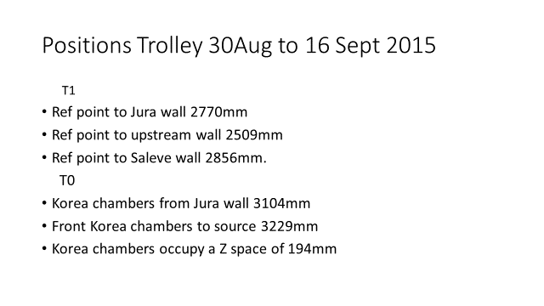
 | Coordinate table to convert Bunker wall measurements to trolley and chamber coordinate system.

 |  |  |  |  |  |  | Source to Jura wall |  | 3278 | T1 = 282 above floor |  | 282
 |  |  | Source Upstream | 6177 |  |  | Source to Saleve wall |  | 1545 | T0 above floor |  | 353
Ian |  |  | Zm=Trolley to wall |  |  |  | Source to Alcove wall |  | 2350
13-Oct-15 |  |  | Zs=Chamber to source

 |  | Measured Values |  | Measured Values |  |  | Measured Values
 |  | Zm | Zm | Zs | Zs | [+]Zf | Xm | Xm | (+)Xf | Ym | Ym | Yf
 |  | Down stream wall | Upstream wall | Down stream | Upstream |  | Jura wall | Saleve wall |  | Floor | Trolley

30Aug to 16 Sept | T1 |  | 2509 | NA |  | -3668 | 2770 |  | 508 |  |  | -1358
 | Chamber |  | ? |  |  |  |  |  | 148 |  |  | 22
 | Gaps

 |  |  |  |  |  |  |  | 2856 | 506
 | T0 |  |  |  |  |  |  |  |  |  |  | -1287
 | Korean chamber |  |  |  | 3229 | -3681 | 3104 |  | 174

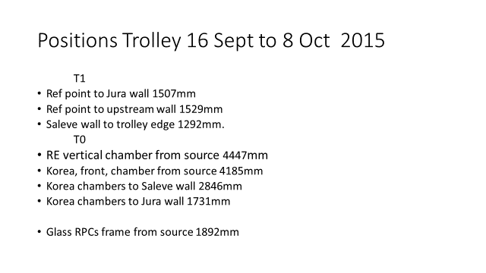
16 Sept to 8 Oct | T1 |  | 1529 |  |  | -4648 | 1507 |  | 1771 |  |  | -1358
 |  |  |  |  |  |  |  | 1292 | 1058

 | T0 |  |  |  |  |  |  |  |  |  |  | -1287
 | Vertical Chamber |  |  |  | 4447 | -4899
 | Korean Front |  |  |  | 4185 | -4637 | 1731 |  | 1547
 |  |  |  |  |  |  |  | 2846 | 1546
 | Glass RPC (Lyon) |  |  |  | 1892

 |  | Source 1/2 value in Z |  | 452 |  |  | Source 1/2 value in X |  | 530 | Source above floor |  | 1640
 |  |  |  |  |  |  | Korean chamber Length |  | 1050 | Chamber CL to T1 ref |  | 1380
 |  |  |  |  |  |  | Chamber to T1 ref |  | 360

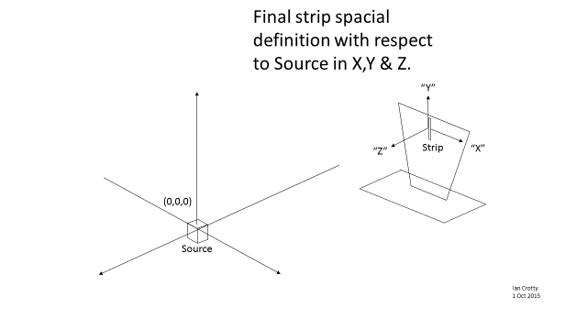
There are confusing results here as the korea chamber is given and not the TO |  | CL = Centre Line

