FixedPositions
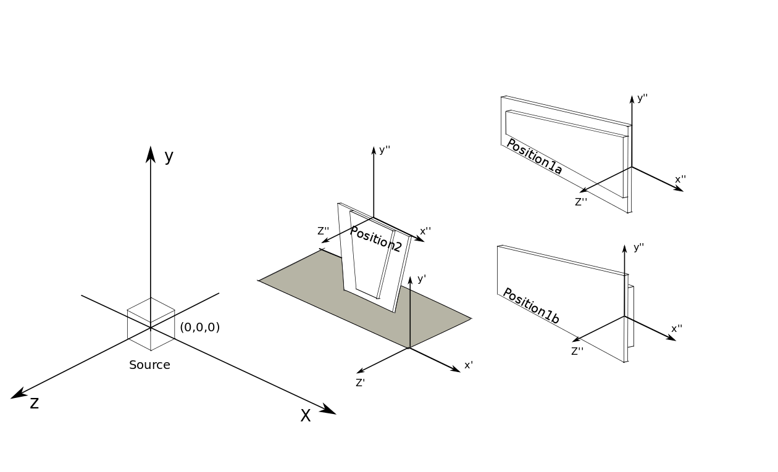
 |  |  | Constant Measurements (mm)

 |  |  | Position of the Source in the Hall
 |  |  |  |  | X |  |  |  | Y |  |  |  | Z
 |  |  | Source to Jura wall |  | 3278 |  | Source above false floor |  | 1640 |  | Source to Upstream far end concrete wall |  | 6177
 |  |  | Source to Saleve wall |  | 1545 |  | Steel floor to concrete floor |  | 420
 |  |  | Source to Alcove wall |  | 2350 |  | nominal beam line to steel floor |  | 1640
 |  |  | Source to Nominal Beam |  | 730 |  | Nominal Beam Line to Concrete Floor |  | 2060

 |  |  |  |  |  |  | Chambers Dimentions
 |  |  | WideSide |  | 991 |  | Length |  | 1700
 |  |  | NarrowSide |  | 700

 |  | Positition 1A |  |  |  | Positition 1B |  |  |  | Position 2 |  |  |  | Position 1A Korean Chamber
Segment | #Strip | X” (mm) | Y” (mm) | Z” (mm) |  | X” (mm) | Y” (mm) | Z” (mm) |  | X” (mm) | Y” (mm) | Z” (mm) |  | Segment | #Strip | X” (mm) | Y” (mm) | Z” (mm)
A | 1 | -336 | 396 | 13 |  | -336 | -396 | -13 |  | -396 | -336 | 13 |  | A | 1 | 182 | 188.9 | 13
A | 2 | -336 | 370 | 13 |  | -336 | -370 | -13 |  | -370 | -336 | 13 |  | A | 2 | 182 | 176.8 | 13
A | 3 | -336 | 345 | 13 |  | -336 | -345 | -13 |  | -345 | -336 | 13 |  | A | 3 | 182 | 164.6 | 13
A | 4 | -336 | 319 | 13 |  | -336 | -319 | -13 |  | -319 | -336 | 13 |  | A | 4 | 182 | 152.4 | 13
A | 5 | -336 | 294 | 13 |  | -336 | -294 | -13 |  | -294 | -336 | 13 |  | A | 5 | 182 | 140.2 | 13
A | 6 | -336 | 268 | 13 |  | -336 | -268 | -13 |  | -268 | -336 | 13 |  | A | 6 | 182 | 128 | 13
A | 7 | -336 | 242.5 | 13 |  | -336 | -242.5 | -13 |  | -242.5 | -336 | 13 |  | A | 7 | 182 | 115.8 | 13
A | 8 | -336 | 217 | 13 |  | -336 | -217 | -13 |  | -217 | -336 | 13 |  | A | 8 | 182 | 103.6 | 13
A | 9 | -336 | 191 | 13 |  | -336 | -191 | -13 |  | -191 | -336 | 13 |  | A | 9 | 182 | 91.4 | 13
A | 10 | -336 | 166 | 13 |  | -336 | -166 | -13 |  | -166 | -336 | 13 |  | A | 10 | 182 | 79.2 | 13
A | 11 | -336 | 141 | 13 |  | -336 | -141 | -13 |  | -141 | -336 | 13 |  | A | 11 | 182 | 67 | 13
A | 12 | -336 | 115 | 13 |  | -336 | -115 | -13 |  | -115 | -336 | 13 |  | A | 12 | 182 | 54.8 | 13
A | 13 | -336 | 84 | 13 |  | -336 | -84 | -13 |  | -84 | -336 | 13 |  | A | 13 | 182 | 42.6 | 13
A | 14 | -336 | 65 | 13 |  | -336 | -65 | -13 |  | -65 | -336 | 13 |  | A | 14 | 182 | 30.4 | 13
A | 15 | -336 | 38.5 | 13 |  | -336 | -38.5 | -13 |  | -38.5 | -336 | 13 |  | A | 15 | 182 | 18.2 | 13
A | 16 | -336 | 12.5 | 13 |  | -336 | -12.5 | -13 |  | -12.5 | -336 | 13 |  | A | 16 | 182 | 6 | 13
A | 17 | -336 | -12.5 | 13 |  | -336 | 12.5 | -13 |  | 12.5 | -336 | 13 |  | A | 17 | 182 | -6 | 13
A | 18 | -336 | -38.5 | 13 |  | -336 | 38.5 | -13 |  | 38.5 | -336 | 13 |  | A | 18 | 182 | -18.2 | 13
A | 19 | -336 | -64 | 13 |  | -336 | 64 | -13 |  | 64 | -336 | 13 |  | A | 19 | 182 | -30.4 | 13
A | 20 | -336 | -89 | 13 |  | -336 | 89 | -13 |  | 89 | -336 | 13 |  | A | 20 | 182 | -42.6 | 13
A | 21 | -336 | -115 | 13 |  | -336 | 115 | -13 |  | 115 | -336 | 13 |  | A | 21 | 182 | -54.8 | 13
A | 22 | -336 | -141 | 13 |  | -336 | 141 | -13 |  | 141 | -336 | 13 |  | A | 22 | 182 | -67 | 13
A | 23 | -336 | -166.5 | 13 |  | -336 | 166.5 | -13 |  | 166.5 | -336 | 13 |  | A | 23 | 182 | -79.2 | 13
A | 24 | -336 | -191 | 13 |  | -336 | 191 | -13 |  | 191 | -336 | 13 |  | A | 24 | 182 | -91.4 | 13
A | 25 | -336 | -216 | 13 |  | -336 | 216 | -13 |  | 216 | -336 | 13 |  | A | 25 | 182 | -103.6 | 13
A | 26 | -336 | -242 | 13 |  | -336 | 242 | -13 |  | 242 | -336 | 13 |  | A | 26 | 182 | -115.8 | 13
A | 27 | -336 | -269 | 13 |  | -336 | 269 | -13 |  | 269 | -336 | 13 |  | A | 27 | 182 | -128 | 13 | 123)
A | 28 | -336 | -294 | 13 |  | -336 | 294 | -13 |  | 294 | -336 | 13 |  | A | 28 | 182 | -140.2 | 13
A | 29 | -336 | -319 | 13 |  | -336 | 319 | -13 |  | 319 | -336 | 13 |  | A | 29 | 182 | -152.4 | 13
A | 30 | -336 | -344 | 13 |  | -336 | 344 | -13 |  | 344 | -336 | 13 |  | A | 30 | 182 | -164.6 | 13
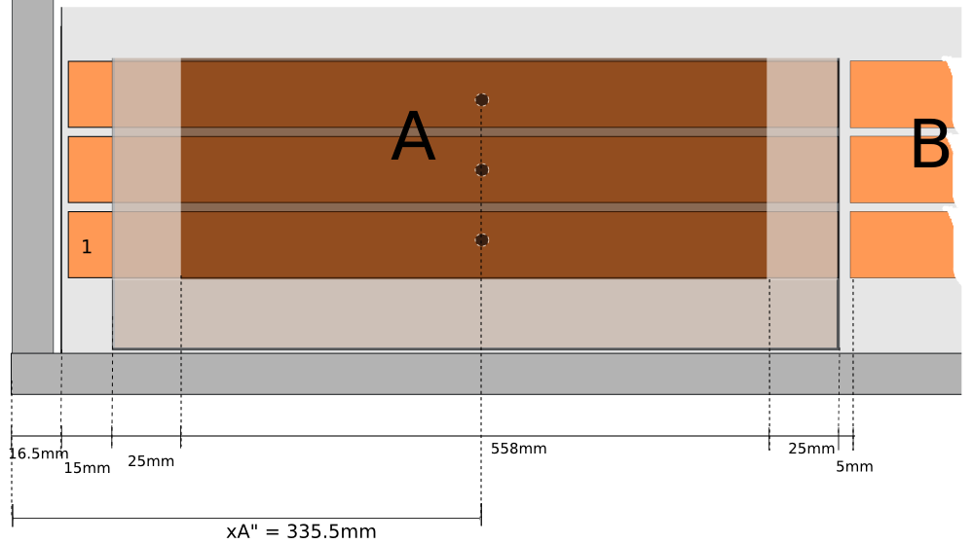
A | 31 | -336 | -370.5 | 13 |  | -336 | 370.5 | -13 |  | 370.5 | -336 | 13 |  | A | 31 | 182 | -176.8 | 13
A | 32 | -336 | -396 | 13 |  | -336 | 396 | -13 |  | 396 | -336 | 13 |  | A | 32 | 182 | -188.9 | 13
B | 33 | -936.5 | 344 | 13 |  | -936.5 | -344 | -13 |  | -344 | -936.5 | 13 |  | B | 33 | 502 | 164.4 | 13
B | 34 | -936.5 | 322 | 13 |  | -936.5 | -322 | -13 |  | -322 | -936.5 | 13 |  | B | 34 | 502 | 153.8 | 13
B | 35 | -936.5 | 300 | 13 |  | -936.5 | -300 | -13 |  | -300 | -936.5 | 13 |  | B | 35 | 502 | 143.2 | 13
B | 36 | -936.5 | 278 | 13 |  | -936.5 | -278 | -13 |  | -278 | -936.5 | 13 |  | B | 36 | 502 | 132.6 | 13
B | 37 | -936.5 | 255 | 13 |  | -936.5 | -255 | -13 |  | -255 | -936.5 | 13 |  | B | 37 | 502 | 122 | 13
B | 38 | -936.5 | 233 | 13 |  | -936.5 | -233 | -13 |  | -233 | -936.5 | 13 |  | B | 38 | 502 | 111.4 | 13
B | 39 | -936.5 | 211 | 13 |  | -936.5 | -211 | -13 |  | -211 | -936.5 | 13 |  | B | 39 | 502 | 100.8 | 13
B | 40 | -936.5 | 189 | 13 |  | -936.5 | -189 | -13 |  | -189 | -936.5 | 13 |  | B | 40 | 502 | 90.1 | 13
B | 41 | -936.5 | 166 | 13 |  | -936.5 | -166 | -13 |  | -166 | -936.5 | 13 |  | B | 41 | 502 | 79.5 | 13
B | 42 | -936.5 | 144 | 13 |  | -936.5 | -144 | -13 |  | -144 | -936.5 | 13 |  | B | 42 | 502 | 68.9 | 13
B | 43 | -936.5 | 122 | 13 |  | -936.5 | -122 | -13 |  | -122 | -936.5 | 13 |  | B | 43 | 502 | 58.3 | 13
B | 44 | -936.5 | 99.5 | 13 |  | -936.5 | -99.5 | -13 |  | -99.5 | -936.5 | 13 |  | B | 44 | 502 | 47.7 | 13
B | 45 | -936.5 | 78 | 13 |  | -936.5 | -78 | -13 |  | -78 | -936.5 | 13 |  | B | 45 | 502 | 37.1 | 13
B | 46 | -936.5 | 55 | 13 |  | -936.5 | -55 | -13 |  | -55 | -936.5 | 13 |  | B | 46 | 502 | 26.5 | 13
B | 47 | -936.5 | 34.5 | 13 |  | -936.5 | -34.5 | -13 |  | -34.5 | -936.5 | 13 |  | B | 47 | 502 | 15.9 | 13
B | 48 | -936.5 | 11 | 13 |  | -936.5 | -11 | -13 |  | -11 | -936.5 | 13 |  | B | 48 | 502 | 5.3 | 13
B | 49 | -936.5 | -11 | 13 |  | -936.5 | 11 | -13 |  | 11 | -936.5 | 13 |  | B | 49 | 502 | -5.3 | 13
B | 50 | -936.5 | -34 | 13 |  | -936.5 | 34 | -13 |  | 34 | -936.5 | 13 |  | B | 50 | 502 | -15.9 | 13
B | 51 | -936.5 | -56 | 13 |  | -936.5 | 56 | -13 |  | 56 | -936.5 | 13 |  | B | 51 | 502 | -26.5 | 13
B | 52 | -936.5 | -78 | 13 |  | -936.5 | 78 | -13 |  | 78 | -936.5 | 13 |  | B | 52 | 502 | -37.1 | 13
B | 53 | -936.5 | -101 | 13 |  | -936.5 | 101 | -13 |  | 101 | -936.5 | 13 |  | B | 53 | 502 | -47.7 | 13
B | 54 | -936.5 | -121.5 | 13 |  | -936.5 | 121.5 | -13 |  | 121.5 | -936.5 | 13 |  | B | 54 | 502 | -58.3 | 13
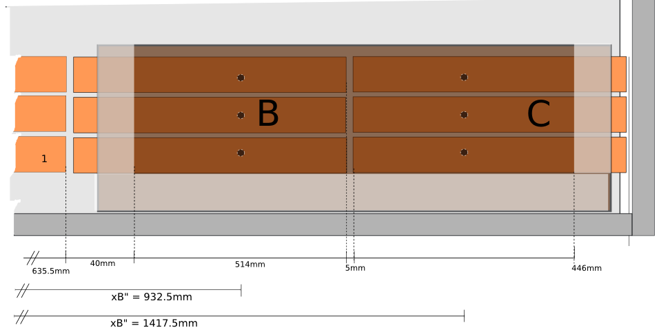
B | 55 | -936.5 | -145 | 13 |  | -936.5 | 145 | -13 |  | 145 | -936.5 | 13 |  | B | 55 | 502 | -68.9 | 13
B | 56 | -936.5 | -167 | 13 |  | -936.5 | 167 | -13 |  | 167 | -936.5 | 13 |  | B | 56 | 502 | -79.5 | 13
B | 57 | -936.5 | -189 | 13 |  | -936.5 | 189 | -13 |  | 189 | -936.5 | 13 |  | B | 57 | 502 | -90.1 | 13
B | 58 | -936.5 | -112 | 13 |  | -936.5 | 112 | -13 |  | 112 | -936.5 | 13 |  | B | 58 | 502 | -100.8 | 13
B | 59 | -936.5 | -234 | 13 |  | -936.5 | 234 | -13 |  | 234 | -936.5 | 13 |  | B | 59 | 502 | -111.4 | 13
B | 60 | -936.5 | -256 | 13 |  | -936.5 | 256 | -13 |  | 256 | -936.5 | 13 |  | B | 60 | 502 | -122 | 13
B | 61 | -936.5 | -278 | 13 |  | -936.5 | 278 | -13 |  | 278 | -936.5 | 13 |  | B | 61 | 502 | -132.6 | 13
B | 62 | -936.5 | -300 | 13 |  | -936.5 | 300 | -13 |  | 300 | -936.5 | 13 |  | B | 62 | 502 | -143.2 | 13
B | 63 | -936.5 | -322 | 13 |  | -936.5 | 322 | -13 |  | 322 | -936.5 | 13 |  | B | 63 | 502 | -153.8 | 13
B | 64 | -936.5 | -344 | 13 |  | -936.5 | 344 | -13 |  | -344 | -936.5 | 13 |  | B | 64 | 502 | -164.4 | 13
C | 65 | -1421.5 | 301 | 13 |  | -1421.5 | -301 | -13 |  | -301 | -1421.5 | 13 |  | C | 65 | 725.8 | 145 | 13
C | 66 | -1421.5 | 282 | 13 |  | -1421.5 | -282 | -13 |  | -282 | -1421.5 | 13 |  | C | 66 | 725.8 | 135.7 | 13
C | 67 | -1421.5 | 264 | 13 |  | -1421.5 | -264 | -13 |  | -264 | -1421.5 | 13 |  | C | 67 | 725.8 | 126.3 | 13
C | 68 | -1421.5 | 244 | 13 |  | -1421.5 | -244 | -13 |  | -244 | -1421.5 | 13 |  | C | 68 | 725.8 | 117 | 13
C | 69 | -1421.5 | 224 | 13 |  | -1421.5 | -224 | -13 |  | -224 | -1421.5 | 13 |  | C | 69 | 725.8 | 107.6 | 13
C | 70 | -1421.5 | 204 | 13 |  | -1421.5 | -204 | -13 |  | -204 | -1421.5 | 13 |  | C | 70 | 725.8 | 98.2 | 13
C | 71 | -1421.5 | 186 | 13 |  | -1421.5 | -186 | -13 |  | -186 | -1421.5 | 13 |  | C | 71 | 725.8 | 88.9 | 13
C | 72 | -1421.5 | 166 | 13 |  | -1421.5 | -166 | -13 |  | -166 | -1421.5 | 13 |  | C | 72 | 725.8 | 79.5 | 13
C | 73 | -1421.5 | 146 | 13 |  | -1421.5 | -146 | -13 |  | -146 | -1421.5 | 13 |  | C | 73 | 725.8 | 70.2 | 13
C | 74 | -1421.5 | 126 | 13 |  | -1421.5 | -126 | -13 |  | -126 | -1421.5 | 13 |  | C | 74 | 725.8 | 60.8 | 13
C | 75 | -1421.5 | 106 | 13 |  | -1421.5 | -106 | -13 |  | -106 | -1421.5 | 13 |  | C | 75 | 725.8 | 51.4 | 13
C | 76 | -1421.5 | 88 | 13 |  | -1421.5 | -88 | -13 |  | -88 | -1421.5 | 13 |  | C | 76 | 725.8 | 42.1 | 13
C | 77 | -1421.5 | 64 | 13 |  | -1421.5 | -64 | -13 |  | -64 | -1421.5 | 13 |  | C | 77 | 725.8 | 32.7 | 13
C | 78 | -1421.5 | 48.5 | 13 |  | -1421.5 | -48.5 | -13 |  | -48.5 | -1421.5 | 13 |  | C | 78 | 725.8 | 23.4 | 13
C | 79 | -1421.5 | 29 | 13 |  | -1421.5 | -29 | -13 |  | -29 | -1421.5 | 13 |  | C | 79 | 725.8 | 14 | 13
C | 80 | -1421.5 | 5 | 13 |  | -1421.5 | -5 | -13 |  | -5 | -1421.5 | 13 |  | C | 80 | 725.8 | 4.6 | 13
C | 81 | -1421.5 | -4 | 13 |  | -1421.5 | 4 | -13 |  | 4 | -1421.5 | 13 |  | C | 81 | 725.8 | -4.6 | 13
C | 82 | -1421.5 | -29 | 13 |  | -1421.5 | 29 | -13 |  | 29 | -1421.5 | 13 |  | C | 82 | 725.8 | -14 | 13
C | 83 | -1421.5 | -48 | 13 |  | -1421.5 | 48 | -13 |  | 48 | -1421.5 | 13 |  | C | 83 | 725.8 | -23.4 | 13
C | 84 | -1421.5 | -68 | 13 |  | -1421.5 | 68 | -13 |  | 68 | -1421.5 | 13 |  | C | 84 | 725.8 | -32.7 | 13
C | 85 | -1421.5 | -88 | 13 |  | -1421.5 | 88 | -13 |  | 88 | -1421.5 | 13 |  | C | 85 | 725.8 | -42.1 | 13
C | 86 | -1421.5 | -108 | 13 |  | -1421.5 | 108 | -13 |  | 108 | -1421.5 | 13 |  | C | 86 | 725.8 | -51.4 | 13
C | 87 | -1421.5 | -126 | 13 |  | -1421.5 | 126 | -13 |  | 126 | -1421.5 | 13 |  | C | 87 | 725.8 | -60.8 | 13
C | 88 | -1421.5 | -146 | 13 |  | -1421.5 | 146 | -13 |  | 146 | -1421.5 | 13 |  | C | 88 | 725.8 | -70.2 | 13
C | 89 | -1421.5 | -166 | 13 |  | -1421.5 | 166 | -13 |  | 166 | -1421.5 | 13 |  | C | 89 | 725.8 | -79.5 | 13
C | 90 | -1421.5 | -185 | 13 |  | -1421.5 | 185 | -13 |  | 185 | -1421.5 | 13 |  | C | 90 | 725.8 | -88.9 | 13
C | 91 | -1421.5 | -205.5 | 13 |  | -1421.5 | 205.5 | -13 |  | 205.5 | -1421.5 | 13 |  | C | 91 | 725.8 | -98.2 | 13
C | 92 | -1421.5 | -225 | 13 |  | -1421.5 | 225 | -13 |  | 225 | -1421.5 | 13 |  | C | 92 | 725.8 | -107.6 | 13
C | 93 | -1421.5 | -244.5 | 13 |  | -1421.5 | 244.5 | -13 |  | 244.5 | -1421.5 | 13 |  | C | 93 | 725.8 | -117 | 13
C | 94 | -1421.5 | -264 | 13 |  | -1421.5 | 264 | -13 |  | 264 | -1421.5 | 13 |  | C | 94 | 725.8 | -126.3 | 13
C | 95 | -1421.5 | -283 | 13 |  | -1421.5 | 283 | -13 |  | 283 | -1421.5 | 13 |  | C | 95 | 725.8 | -135.7 | 13
C | 96 | -1421.5 | -302 | 13 |  | -1421.5 | 302 | -13 |  | 302 | -1421.5 | 13 |  | C | 96 | 725.8 | -145 | 13
 |  |  |  |  |  |  |  |  |  |  |  |  |  | D | 97 | 936.25 | 126.8 | 13
 |  |  |  |  |  |  |  |  |  |  |  |  |  | D | 98 | 936.25 | 118.6 | 13
 |  |  |  |  |  |  |  |  |  |  |  |  |  | D | 99 | 936.25 | 110.4 | 13
 |  |  |  |  |  |  |  |  |  |  |  |  |  | D | 100 | 936.25 | 102.3 | 13
 |  |  |  |  |  |  |  |  |  |  |  |  |  | D | 101 | 936.25 | 94.1 | 13
 |  |  |  |  |  |  |  |  |  |  |  |  |  | D | 102 | 936.25 | 85.9 | 13
 |  |  |  |  |  |  |  |  |  |  |  |  |  | D | 103 | 936.25 | 77.7 | 13
 |  |  |  |  |  |  |  |  |  |  |  |  |  | D | 104 | 936.25 | 69.5 | 13
 |  |  |  |  |  |  |  |  |  |  |  |  |  | D | 105 | 936.25 | 61.3 | 13
 |  |  |  |  |  |  |  |  |  |  |  |  |  | D | 106 | 936.25 | 53.1 | 13
 |  |  |  |  |  |  |  |  |  |  |  |  |  | D | 107 | 936.25 | 45 | 13
 |  |  |  |  |  |  |  |  |  |  |  |  |  | D | 108 | 936.25 | 36.8 | 13
 |  |  |  |  |  |  |  |  |  |  |  |  |  | D | 109 | 936.25 | 28.6 | 13
 |  |  |  |  |  |  |  |  |  |  |  |  |  | D | 110 | 936.25 | 20.4 | 13
 |  |  |  |  |  |  |  |  |  |  |  |  |  | D | 111 | 936.25 | 12.2 | 13
 |  |  |  |  |  |  |  |  |  |  |  |  |  | D | 112 | 936.25 | 4 | 13
 |  |  |  |  |  |  |  |  |  |  |  |  |  | D | 113 | 936.25 | -4 | 13
 |  |  |  |  |  |  |  |  |  |  |  |  |  | D | 114 | 936.25 | -12.2 | 13
 |  |  |  |  |  |  |  |  |  |  |  |  |  | D | 115 | 936.25 | -20.4 | 13
 |  |  |  |  |  |  |  |  |  |  |  |  |  | D | 116 | 936.25 | -28.6 | 13
 |  |  |  |  |  |  |  |  |  |  |  |  |  | D | 117 | 936.25 | -36.8 | 13
 |  |  |  |  |  |  |  |  |  |  |  |  |  | D | 118 | 936.25 | -45 | 13
 |  |  |  |  |  |  |  |  |  |  |  |  |  | D | 119 | 936.25 | -53.1 | 13
 |  |  |  |  |  |  |  |  |  |  |  |  |  | D | 120 | 936.25 | -61.3 | 13
 |  |  |  |  |  |  |  |  |  |  |  |  |  | D | 121 | 936.25 | -69.5 | 13
 |  |  |  |  |  |  |  |  |  |  |  |  |  | D | 122 | 936.25 | -77.7 | 13
 |  |  |  |  |  |  |  |  |  |  |  |  |  | D | 123 | 936.25 | -85.9 | 13
 |  |  |  |  |  |  |  |  |  |  |  |  |  | D | 124 | 936.25 | -94.1 | 13
 |  |  |  |  |  |  |  |  |  |  |  |  |  | D | 125 | 936.25 | -102.3 | 13
 |  |  |  |  |  |  |  |  |  |  |  |  |  | D | 126 | 936.25 | -110.4 | 13
 |  |  |  |  |  |  |  |  |  |  |  |  |  | D | 127 | 936.25 | -118.6 | 13
 |  |  |  |  |  |  |  |  |  |  |  |  |  | D | 128 | 936.25 | -126.8 | 13

30AugTo16Sept2015
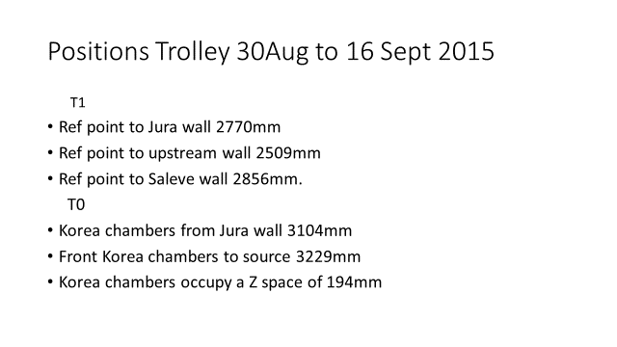
 |  |  | Positions from 30 August to 16 September

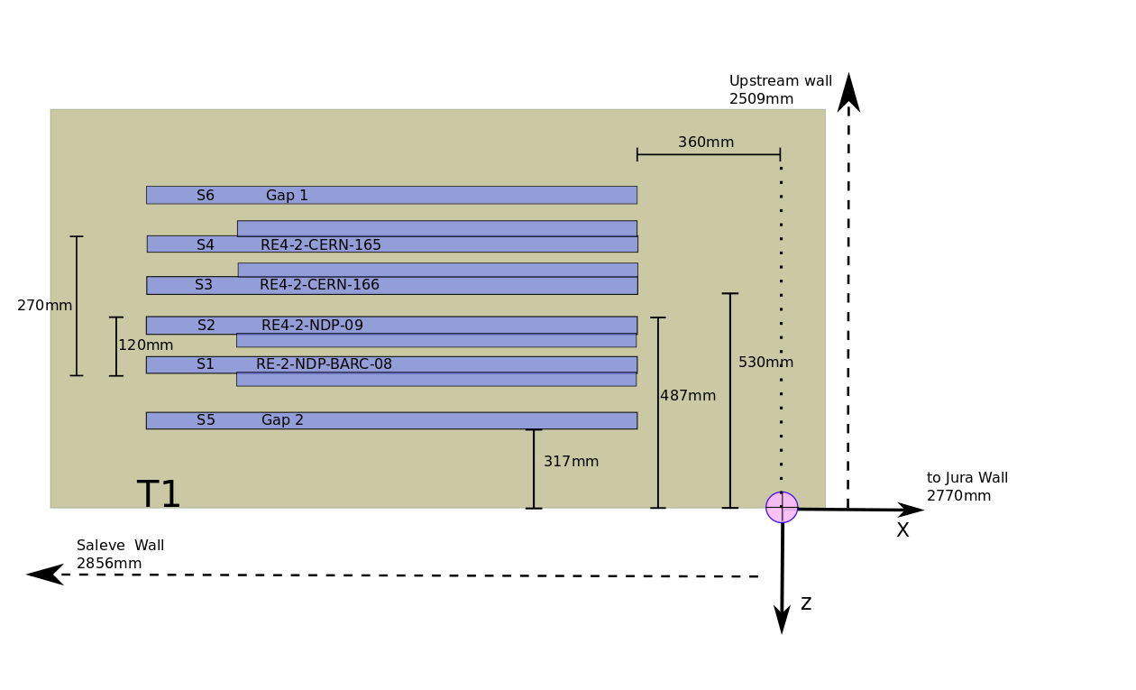

 |  |  | T1 position measured inside the bunker |  |  |  |  |  |  |  |  |  |  |  |  |  | T0 position measured inside the bunker
 |  |  |  |  | X direction |  |  | Y direction |  |  | Z direction |  |  |  |  |  |  |  | X |  |  |  | Y |  |  |  | Z
 |  |  | T1 to Jura wall |  | 2770 | T1 to False floor |  | 282 | T1 to Upstream far end concrete wall |  | 2509 |  |  |  |  |  |  |  |  |  | T0 to floor |  | 353
 |  |  | T1 to Saleve wall |  | 2856

 |  |  | chamber positions measured in T1 |  |  |  |  |  |  |  |  |  |  |  |  |  | chamber positions measured in T0
 |  |  |  |  | X direction |  |  | Y direction |  |  |  |  |  |  |  |  | Chamber's Whidth |  |  |  |  |  | T0_4 |  | RE type2 |  | 49
 | Chamber's Whidth |  |  |  |  |  |  |  |  |  | 28 |  |  |  |  |  |  |  |  |  |  |  | T0_S1 & T0_S2 |  | RE1/1Korean |  | 57
T1_S1 | RE2-2-NDP-BARC-08 |  | Ref_T1 to C_S1 |  | 360 | RefT1 to Ref_S1 |  | 1383 | Ref_S2 to S1 |  | 120 |  |  |  |  |  | Ref_KC to T0 |  | 160
T1_S2 | RE2-2-NDP-BARC-09 |  | Ref_T1 to C_S2 |  | 360 | RefT1 to Ref_S2 |  | 1383 | Ref_T1 to Rf_S2 |  | 487
T1_S3 | RE4-2-CERN 166 |  | Ref_T1 to C_S3 |  | 360 | RefT1 to Ref_S3 |  | 1383 | Ref_T1 to S3 |  | 530 |  |  |  |  | T0_S1 | Ref_C_S1 toJuraWall |  | 3104 |  | HallFloor to Ref_C |  | 1650 |  | Ref_C_S1 to C_S2 |  | 194
T1_S4 | RE4-2-CERN 165 |  | Ref_T1 to C_S4 |  | 360 | RefT1 to Ref_S4 |  | 1383 | C_S1 to C_S4 |  | 270 |  |  |  |  | T0_S2 | Ref_C_S2 toJuraWall |  | 3104 |  | HallFloor to Ref_C |  | 1650 |  | C_S2 to Source |  | 3229
T1_S5 | GAP5 |  |  |  |  |  |  |  |  |  |  |  |  |  |  | T0_S3
T1_S6 | GAP6 |  |  |  |  |  |  |  |  |  |  |  |  |  |  | T0_S4 | CornInfCham to Ref_T0 |  | 410 |  |  |  |  |  | C_S4 to C_S1 |  | 225
 |  |  |  |  |  |  |  |  |  |  |  |  |  |  |  |  |  |  |  |  |  |  |  |  | Ref_T0 to Ref_C_S4 |  | 0

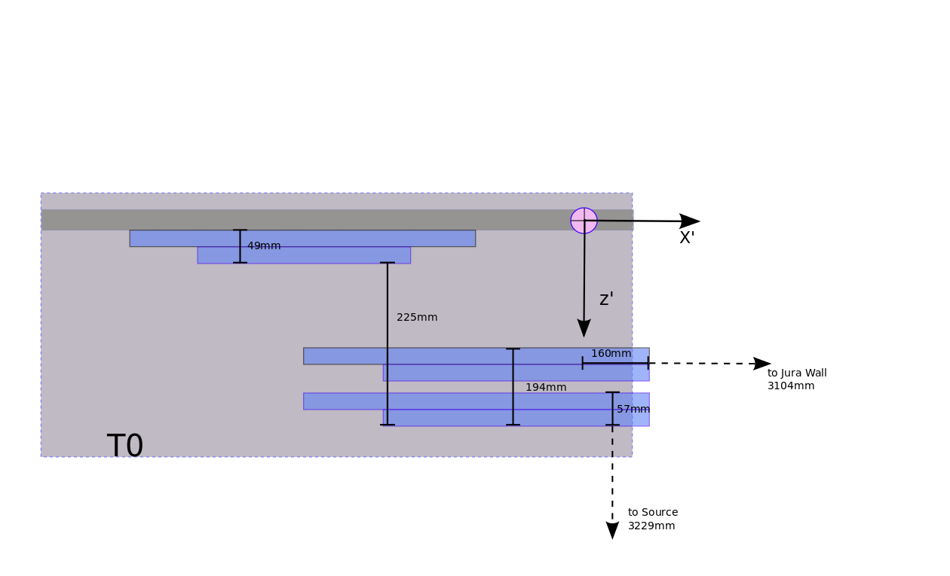

 |  |  | Cordinate Troley Position T1 respect to the Source |  |  |  |  |  |  |  |  |  |  |  |  |  | Cordinate Troley Position T0 respect to the Source
 |  |  |  |  | 508 |  |  | -1358 |  |  | -3668 |  |  |  |  |  |  |  | 14 |  |  |  | -1287 |  |  |  | -3503

 |  |  | Cordinate Chambers Positions respect to T1 reference point |  |  |  |  |  |  |  |  |  |  |  |  |  | Cordinate Chambers Positions respect to T0 reference point
 |  |  |  |  | X'' |  |  | Y'' |  |  | Z'' |  |  |  |  |  |  |  | X'' |  |  |  | Y'' |  |  |  | Z''
 |  | T1_S1 | RE2-2-NDP-BARC-08 |  | -360 |  |  | 1383 |  |  | -395 |  |  |  |  | T1_S1 |  |  | 160 |  |  |  | 1297 |  |  |  | 80
 |  | T1_S2 | RE2-2-NDP-BARC-09 |  | -360 |  |  | 1383 |  |  | -487 |  |  |  |  | T1_S2 |  |  | 160 |  |  |  | 1297 |  |  |  | 217
 |  | T1_S3 | RE4-2-CERN 166 |  | -360 |  |  | 1383 |  |  | -530 |  |  |  |  | T1_S3
 |  | T1_S4 | RE4-2-CERN 165 |  | -360 |  |  | 1383 |  |  | -609 |  |  |  |  | T1_S4 |  |  | -760 |  |  |  | 1700 |  |  |  | 0
 |  | T1_S5 | GAP 2
 |  | T1_S6 | GAP 1

 |  |  | Cordinate Chambers Positions in T1 respect to the Source |  |  |  |  |  |  |  |  |  |  |  |  |  | Cordinate Chambers Positions in T0 respect to the Source
 |  |  |  |  | X'' |  |  | Y'' |  |  | Z'' |  |  |  |  |  |  |  | X'' |  |  |  | Y' |  |  |  | Z'
 |  | T1_S1 | RE2-2-NDP-BARC-08 |  | 148 |  |  | 25 |  |  | -4063 |  |  |  |  | T1_S1 |  |  | 174 |  |  |  | 10 |  |  |  | -3423
 |  | T1_S2 | RE2-2-NDP-BARC-09 |  | 148 |  |  | 25 |  |  | -4155 |  |  |  |  | T1_S2 |  |  | 174 |  |  |  | 10 |  |  |  | -3286
 |  | T1_S3 | RE4-2-CERN 166 |  | 148 |  |  | 25 |  |  | -4198 |  |  |  |  | T1_S3
 |  | T1_S4 | RE4-2-CERN 165 |  | 148 |  |  | 25 |  |  | -4277 |  |  |  |  | T1_S4 |  |  | -746 |  |  |  | 413 |  |  |  | -3503
 |  | T1_S5 | GAP5
 |  | T1_S6 | GAP6

 |  | Strips Cambers Positions respect to the source |  |  |  |  |  |  |  |  |  |  |  |  |  |  | Strips Cambers Positions respect to the source

 |  |  | Cordinate RE2-2-NDP-BARC-08 |  |  | Cordinate RE2-2-NDP-BARC-09 |  |  | Cordinate RE4-2-CERN 166 |  |  | Cordinate RE4-2-CERN 165 |  |  |  |  | Cordinate T0_S1 Korean |  |  |  | Cordinate T0_S2 Korean |  |  |  | Cordinate T0_S4
Segment | #Strip |  | X | Y | Z | X | Y | Z | X | Y | Z | X | Y | Z | Segment | #Strip | X | Y | Z |  | X | Y | Z |  | X | Y | Z
A | 1 |  | -188 | 421 | -4050 | -188 | 421 | -4142 | -188 | -371 | -4211 | -188 | -371 | -4290 | A | 1 | 356 | 198.9 | -3410 |  | 356 | 198.9 | -3410 |  | -1142 | 77 | -3490
A | 2 |  | -188 | 395 | -4050 | -188 | 395 | -4142 | -188 | -345 | -4211 | -188 | -345 | -4290 | A | 2 | 356 | 186.8 | -3410 |  | 356 | 186.8 | -3410 |  | -1116 | 77 | -3490
A | 3 |  | -188 | 370 | -4050 | -188 | 370 | -4142 | -188 | -320 | -4211 | -188 | -320 | -4290 | A | 3 | 356 | 174.6 | -3410 |  | 356 | 174.6 | -3410 |  | -1091 | 77 | -3490
A | 4 |  | -188 | 344 | -4050 | -188 | 344 | -4142 | -188 | -294 | -4211 | -188 | -294 | -4290 | A | 4 | 356 | 162.4 | -3410 |  | 356 | 162.4 | -3410 |  | -1065 | 77 | -3490
A | 5 |  | -188 | 319 | -4050 | -188 | 319 | -4142 | -188 | -269 | -4211 | -188 | -269 | -4290 | A | 5 | 356 | 150.2 | -3410 |  | 356 | 150.2 | -3410 |  | -1040 | 77 | -3490
A | 6 |  | -188 | 293 | -4050 | -188 | 293 | -4142 | -188 | -243 | -4211 | -188 | -243 | -4290 | A | 6 | 356 | 138 | -3410 |  | 356 | 138 | -3410 |  | -1014 | 77 | -3490
A | 7 |  | -188 | 267.5 | -4050 | -188 | 267.5 | -4142 | -188 | -217.5 | -4211 | -188 | -217.5 | -4290 | A | 7 | 356 | 125.8 | -3410 |  | 356 | 125.8 | -3410 |  | -988.5 | 77 | -3490
A | 8 |  | -188 | 242 | -4050 | -188 | 242 | -4142 | -188 | -192 | -4211 | -188 | -192 | -4290 | A | 8 | 356 | 113.6 | -3410 |  | 356 | 113.6 | -3410 |  | -963 | 77 | -3490
A | 9 |  | -188 | 216 | -4050 | -188 | 216 | -4142 | -188 | -166 | -4211 | -188 | -166 | -4290 | A | 9 | 356 | 101.4 | -3410 |  | 356 | 101.4 | -3410 |  | -937 | 77 | -3490
A | 10 |  | -188 | 191 | -4050 | -188 | 191 | -4142 | -188 | -141 | -4211 | -188 | -141 | -4290 | A | 10 | 356 | 89.2 | -3410 |  | 356 | 89.2 | -3410 |  | -912 | 77 | -3490
A | 11 |  | -188 | 166 | -4050 | -188 | 166 | -4142 | -188 | -116 | -4211 | -188 | -116 | -4290 | A | 11 | 356 | 77 | -3410 |  | 356 | 77 | -3410 |  | -887 | 77 | -3490
A | 12 |  | -188 | 140 | -4050 | -188 | 140 | -4142 | -188 | -90 | -4211 | -188 | -90 | -4290 | A | 12 | 356 | 64.8 | -3410 |  | 356 | 64.8 | -3410 |  | -861 | 77 | -3490
A | 13 |  | -188 | 109 | -4050 | -188 | 109 | -4142 | -188 | -59 | -4211 | -188 | -59 | -4290 | A | 13 | 356 | 52.6 | -3410 |  | 356 | 52.6 | -3410 |  | -830 | 77 | -3490
A | 14 |  | -188 | 90 | -4050 | -188 | 90 | -4142 | -188 | -40 | -4211 | -188 | -40 | -4290 | A | 14 | 356 | 40.4 | -3410 |  | 356 | 40.4 | -3410 |  | -811 | 77 | -3490
A | 15 |  | -188 | 63.5 | -4050 | -188 | 63.5 | -4142 | -188 | -13.5 | -4211 | -188 | -13.5 | -4290 | A | 15 | 356 | 28.2 | -3410 |  | 356 | 28.2 | -3410 |  | -784.5 | 77 | -3490
A | 16 |  | -188 | 37.5 | -4050 | -188 | 37.5 | -4142 | -188 | 12.5 | -4211 | -188 | 12.5 | -4290 | A | 16 | 356 | 16 | -3410 |  | 356 | 16 | -3410 |  | -758.5 | 77 | -3490
A | 17 |  | -188 | 12.5 | -4050 | -188 | 12.5 | -4142 | -188 | 37.5 | -4211 | -188 | 37.5 | -4290 | A | 17 | 356 | 4 | -3410 | 10 | 356 | 4 | -3410 | 10 | -733.5 | 77 | -3490 | -746
A | 18 |  | -188 | -13.5 | -4050 | -188 | -13.5 | -4142 | -188 | 63.5 | -4211 | -188 | 63.5 | -4290 | A | 18 | 356 | -8.2 | -3410 |  | 356 | -8.2 | -3410 |  | -707.5 | 77 | -3490
A | 19 |  | -188 | -39 | -4050 | -188 | -39 | -4142 | -188 | 89 | -4211 | -188 | 89 | -4290 | A | 19 | 356 | -20.4 | -3410 |  | 356 | -20.4 | -3410 |  | -682 | 77 | -3490
A | 20 |  | -188 | -64 | -4050 | -188 | -64 | -4142 | -188 | 114 | -4211 | -188 | 114 | -4290 | A | 20 | 356 | -32.6 | -3410 |  | 356 | -32.6 | -3410 |  | -657 | 77 | -3490
A | 21 |  | -188 | -90 | -4050 | -188 | -90 | -4142 | -188 | 140 | -4211 | -188 | 140 | -4290 | A | 21 | 356 | -44.8 | -3410 |  | 356 | -44.8 | -3410 |  | -631 | 77 | -3490
A | 22 |  | -188 | -116 | -4050 | -188 | -116 | -4142 | -188 | 166 | -4211 | -188 | 166 | -4290 | A | 22 | 356 | -57 | -3410 |  | 356 | -57 | -3410 |  | -605 | 77 | -3490
A | 23 |  | -188 | -141.5 | -4050 | -188 | -141.5 | -4142 | -188 | 191.5 | -4211 | -188 | 191.5 | -4290 | A | 23 | 356 | -69.2 | -3410 |  | 356 | -69.2 | -3410 |  | -579.5 | 77 | -3490
A | 24 |  | -188 | -166 | -4050 | -188 | -166 | -4142 | -188 | 216 | -4211 | -188 | 216 | -4290 | A | 24 | 356 | -81.4 | -3410 |  | 356 | -81.4 | -3410 |  | -555 | 77 | -3490
A | 25 |  | -188 | -191 | -4050 | -188 | -191 | -4142 | -188 | 241 | -4211 | -188 | 241 | -4290 | A | 25 | 356 | -93.6 | -3410 |  | 356 | -93.6 | -3410 |  | -530 | 77 | -3490
A | 26 |  | -188 | -217 | -4050 | -188 | -217 | -4142 | -188 | 267 | -4211 | -188 | 267 | -4290 | A | 26 | 356 | -105.8 | -3410 |  | 356 | -105.8 | -3410 |  | -504 | 77 | -3490
A | 27 |  | -188 | -244 | -4050 | -188 | -244 | -4142 | -188 | 294 | -4211 | -188 | 294 | -4290 | A | 27 | 356 | -118 | -3410 |  | 356 | -118 | -3410 |  | -477 | 77 | -3490
A | 28 |  | -188 | -269 | -4050 | -188 | -269 | -4142 | -188 | 319 | -4211 | -188 | 319 | -4290 | A | 28 | 356 | -130.2 | -3410 |  | 356 | -130.2 | -3410 |  | -452 | 77 | -3490
A | 29 |  | -188 | -294 | -4050 | -188 | -294 | -4142 | -188 | 344 | -4211 | -188 | 344 | -4290 | A | 29 | 356 | -142.4 | -3410 |  | 356 | -142.4 | -3410 |  | -427 | 77 | -3490
A | 30 |  | -188 | -319 | -4050 | -188 | -319 | -4142 | -188 | 369 | -4211 | -188 | 369 | -4290 | A | 30 | 356 | -154.6 | -3410 |  | 356 | -154.6 | -3410 |  | -402 | 77 | -3490
A | 31 |  | -188 | -345.5 | -4050 | -188 | -345.5 | -4142 | -188 | 395.5 | -4211 | -188 | 395.5 | -4290 | A | 31 | 356 | -166.8 | -3410 |  | 356 | -166.8 | -3410 |  | -375.5 | 77 | -3490
...

16SepTo22Oct2015
...
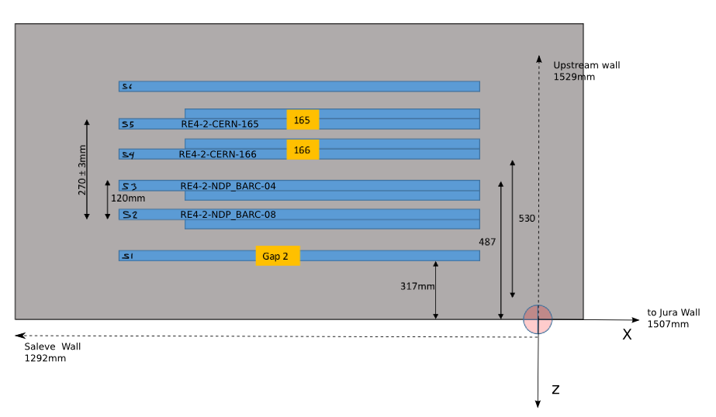

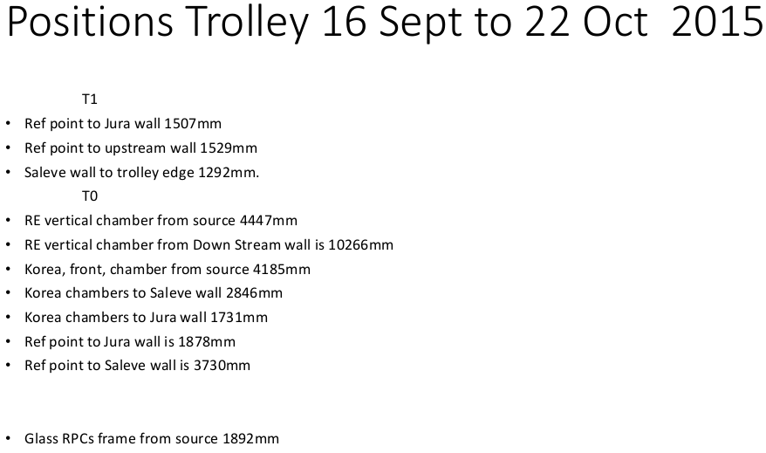
 |  |  |  | Measurements of troley T0 in hall
Y |  | Z |  |  | X |  |  | Y |  |  | Z
282 | T0 to Upstream wall | 1529 |  | Ref_T0 to JuraWall | 1878 | T0 to floor |  | 353 | Ref_T0 to Source
...
 |  |  |  | Mesurements of chambers positions
 |  | 28 |  | Chamber's Whidth |  |  |  | T0_4 | RE type2 |  | 49
 |  |  |  |  |  |  |  | T0_S1 & T0_S2 | RE1/1Korean |  | 57
1383 | Ref_C_S2 to C_S1 | 120 |  | Ref_KC to T0 | 160
1383 | Rf_T1 to Rf_C_S2 | 487
1383 | Ref_T1 to C_S3 | 530 | T0_S1 | Ref_C_S1 toJuraWall | 1731 | HallFloor to Ref_C |  | 1650 | Ref_C_S1 to C_S2 |  | 194
1383 | C_S1 to Rf_C_S4 | 270 | T0_S2 | Ref_C_S2 toJuraWall | 1731 | HallFloor to Ref_C |  | 1650 | C_S2 to Source |  | 4187
 |  |  | T0_S3
 |  |  | T0_S4 | CornInfCham to Ref_T0 | 410 |  |  |  | C_S4 to C_S1 |  | 225
 |  |  |  |  |  |  |  |  | Ref_T0 to Ref_C_S4 |  | 0

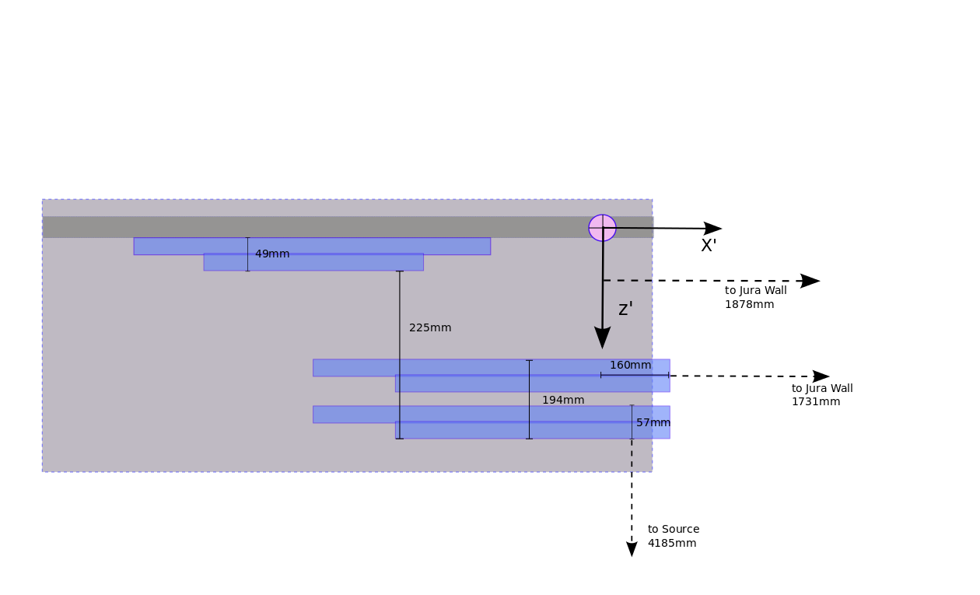
 |  |  |  | Cordinate Troley Position T0 to Source
-1358 |  | -4648 |  |  | 1387 |  |  | -1287 |  |  | -4461

 |  |  |  | Cordinate Chambers Positions respect to T0
Y'' |  | Z''
1383 |  | -395 | T1_S1 |  | 160 |  |  | 1297 |  |  | 80
 |  |  |  |  |  |  |  | 1297 |  |  | 217
...
 |  |  |  |  |  |  |  | 1700 |  |  | 0
...
 |  |  |  |  |  |  |  | 10 |  |  | -4381
 |  |  |  |  |  |  |  | 10 |  |  | -4244
...
 |  |  |  |  |  |  |  | 413 |  |  | -4461
...
 |  |  |  |  |  |  |  |  | Cordinate T0_S4
 |  |  |  |  |  |  | Y | Z | X | Y | Z
 |  |  |  |  |  |  | 198.9 | -4231 | 231 | 77 | -4448
 |  |  |  |  |  |  | 186.8 | -4231 | 257 | 77 | -4448
 |  |  |  |  |  |  | 174.6 | -4231 | 282 | 77 | -4448
 |  |  |  |  |  |  | 162.4 | -4231 | 308 | 77 | -4448
 |  |  |  |  |  |  | 150.2 | -4231 | 333 | 77 | -4448
 |  |  |  |  |  |  | 138 | -4231 | 359 | 77 | -4448
 |  |  |  |  |  |  | 125.8 | -4231 | 384.5 | 77 | -4448
 |  |  |  |  |  |  | 113.6 | -4231 | 410 | 77 | -4448
 |  |  |  |  |  |  | 101.4 | -4231 | 436 | 77 | -4448
 |  |  |  |  |  |  | 89.2 | -4231 | 461 | 77 | -4448
 |  |  |  |  |  |  | 77 | -4231 | 486 | 77 | -4448
 |  |  |  |  |  |  | 64.8 | -4231 | 512 | 77 | -4448
 |  |  |  |  |  |  | 52.6 | -4231 | 543 | 77 | -4448
 |  |  |  |  |  |  | 40.4 | -4231 | 562 | 77 | -4448
 |  |  |  |  |  |  | 28.2 | -4231 | 588.5 | 77 | -4448
...

22OctTo18Nov2015
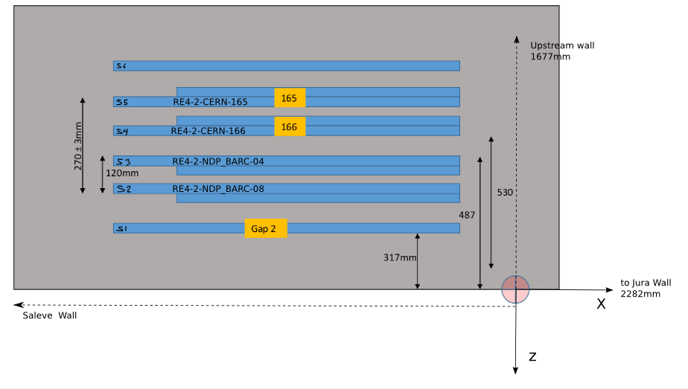
 |  |  |  | Positions from 22 October to 18 November 2015

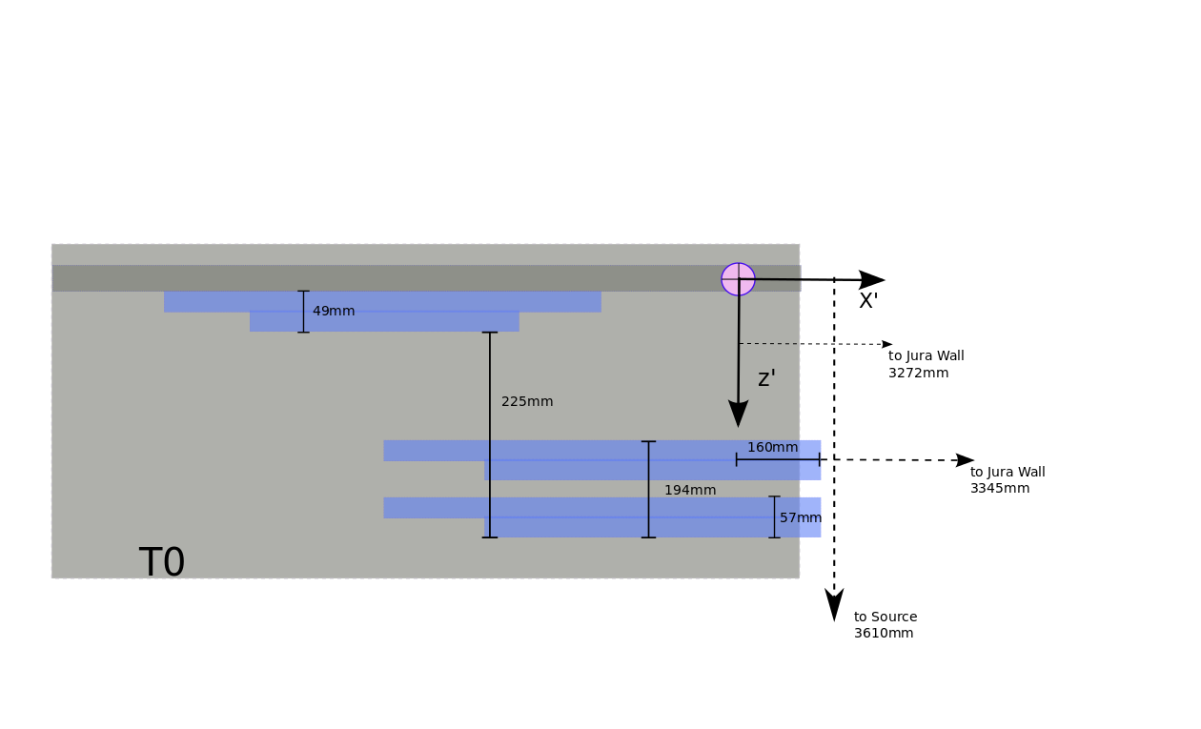
 |  |  |  |  |  | Trolley 0

 |  |  |  | Measurements of troley T0 in hall
Y |  | Z |  |  | X |  | Y |  |  | Z
282 | T0 to Upstream wall | 1677 |  | Ref_T0 to JuraWall | 3272 | T0 to floor | 353 | Ref_T0 to Source |  | 4064
 |  |  |  |  |  |  |  | Ref_T0 To UpstreamWall

 |  |  |  | Mesurements of chambers positions
 |  | 28 |  | Chamber's Whidth |  |  | T0_4 | RE type2 |  | 49
 |  |  |  |  |  |  | T0_S1 & T0_S2 | RE1/1Korean |  | 57
1383 | Ref_C_S2 to C_S1 | 120 |  | Ref_KC to T0 | 160
1383 | Rf_T1 to Rf_C_S2 | 487
1383 | Ref_T1 to C_S3 | 530 | T0_S1 | Ref_C_S1 toJuraWall |  | HallFloor to Ref_C | 1650 | Ref_C_S1 to C_S2 |  | 194
1383 | C_S1 to Rf_C_S4 | 270 | T0_S2 | Ref_C_S2 toJuraWall |  | HallFloor to Ref_C | 1650 | C_S2 to Source
 |  |  | T0_S3
 |  |  | T0_S4 | CornInfCham to Ref_T0 | 410 |  |  | C_S4 to C_S1 |  | 225
 |  |  |  |  |  |  |  | Ref_T0 to Ref_C_S4 |  | 0

 |  |  |  | Cordinate Trolley Position T0 respect to Source
-1358 |  | -4500 |  |  | 6 |  | -1287 |  |  | -4064

 |  |  |  | Cordinate Chambers Positions respect to T0
...
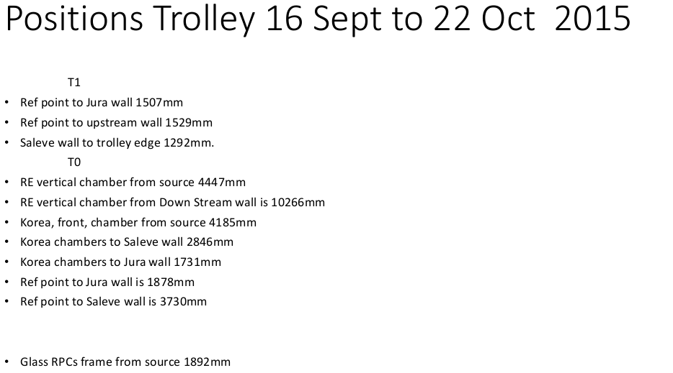
 |  |  |  |  |  |  | 1297 |  |  | 80
 |  |  |  |  |  |  | 1297 |  |  | 217
...
 |  |  |  |  |  |  | 1700 |  |  | 0
...
 |  |  |  |  |  |  | 10 |  |  | -3984
 |  |  |  |  |  |  | 10 |  |  | -3847
...
 |  |  |  |  |  |  | 413 |  |  | -4064
...
 |  |  |  |  |  |  |  | Cordinate T0_S4
 |  |  |  |  |  |  | Z | X | Y | Z
 |  |  |  |  |  |  | -3834 | -1150 | 77 | -4051
 |  |  |  |  |  |  | -3834 | -1124 | 77 | -4051
 |  |  |  |  |  |  | -3834 | -1099 | 77 | -4051
 |  |  |  |  |  |  | -3834 | -1073 | 77 | -4051
 |  |  |  |  |  |  | -3834 | -1048 | 77 | -4051
 |  |  |  |  |  |  | -3834 | -1022 | 77 | -4051
 |  |  |  |  |  |  | -3834 | -996.5 | 77 | -4051
 |  |  |  |  |  |  | -3834 | -971 | 77 | -4051
 |  |  |  |  |  |  | -3834 | -945 | 77 | -4051
...

